Provincial ranking
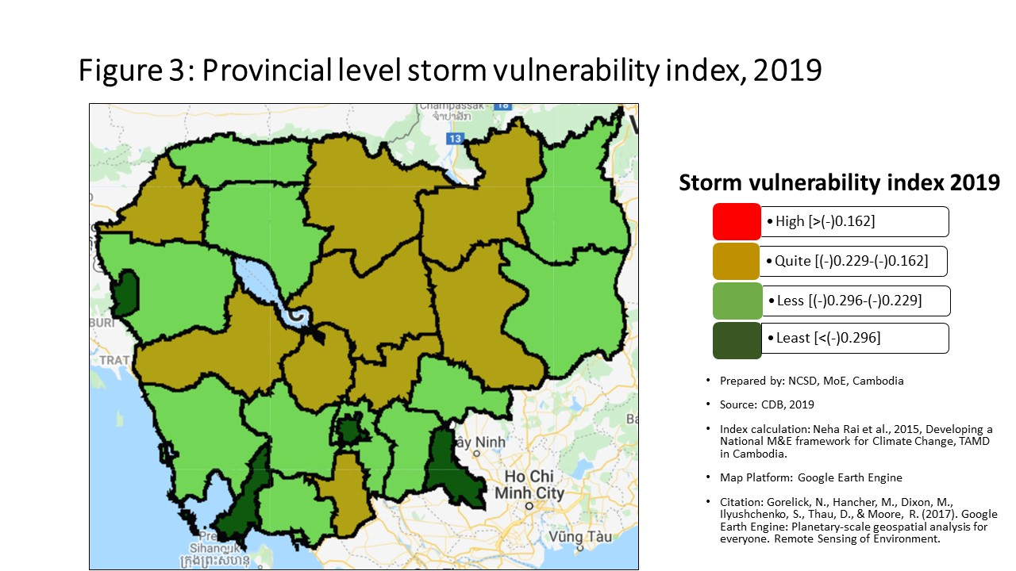
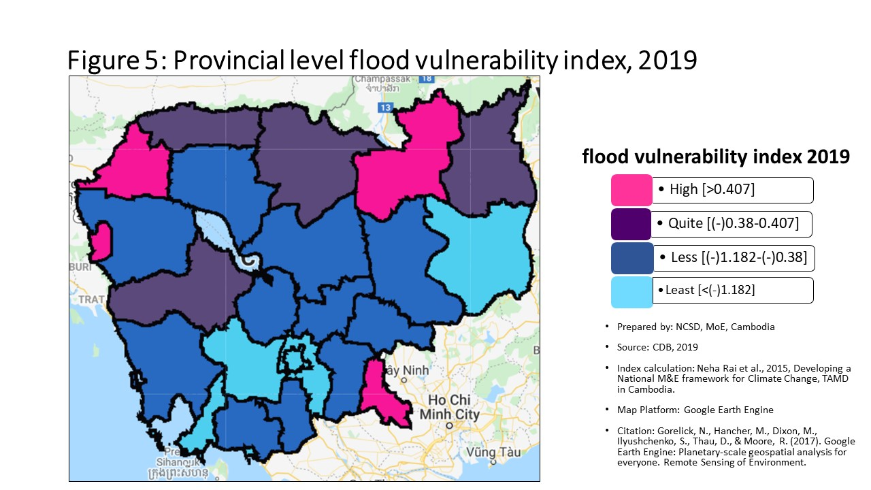
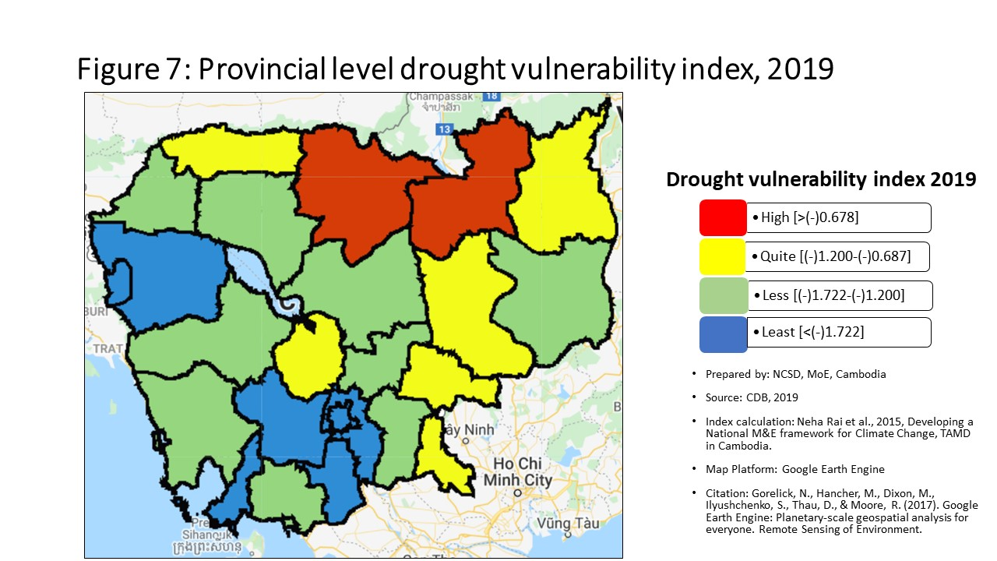
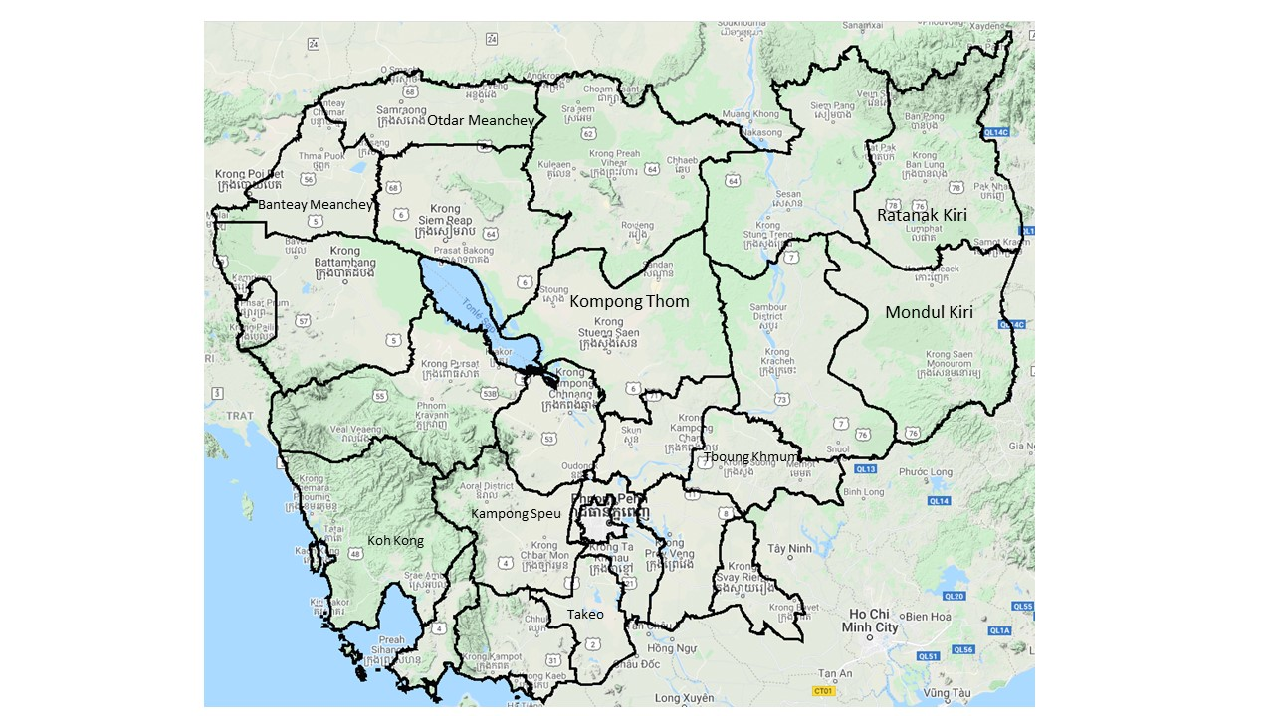
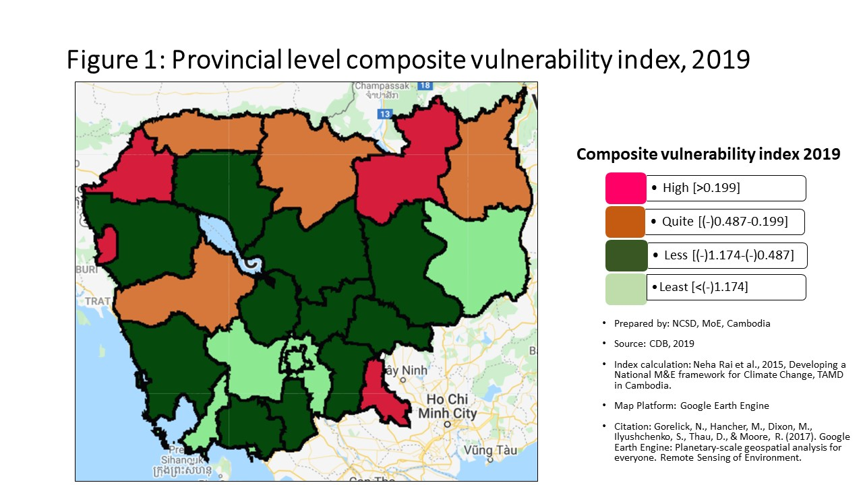
Vulnerability Index by province, 2019
Prepared by: | NCSD, MoE, Cambodia
Source: | CDB 2019
PROV_CODE | PROV_NAME | Storm VI | Rank | Flood VI | Rank | Drought VI | Rank | Composite VI | Rank
1 | Banteay Meanchey | -0.226 | 9 | 0.710 | 3 | -1.316 | 13 | 0.533 | 2
2 | Battambang | -0.232 | 10 | -0.590 | 13 | -1.974 | 21 | -0.616 | 13
3 | Kampong Cham | -0.218 | 5 | -0.835 | 15 | -1.413 | 14 | -0.815 | 15
4 | Kampong Chhnang | -0.205 | 3 | -0.531 | 11 | -1.160 | 8 | -0.598 | 12
5 | Kampong Speu | -0.243 | 11 | -2.089 | 23 | -2.467 | 23 | -2.047 | 23
6 | Kampong Thom | -0.223 | 7 | -0.459 | 9 | -1.258 | 10 | -0.509 | 9
7 | Kampot | -0.256 | 18 | -1.066 | 18 | -1.603 | 16 | -1.062 | 19
8 | Kandal | -0.244 | 12 | -1.467 | 22 | -2.076 | 22 | -1.446 | 22
9 | Koh Kong | -0.252 | 15 | -1.043 | 16 | -1.238 | 9 | -1.006 | 16
10 | Kracheh | -0.224 | 8 | -0.563 | 12 | -1.038 | 6 | -0.525 | 10
11 | Mondul Kiri | -0.272 | 20 | -1.442 | 21 | -1.605 | 17 | -1.348 | 21
12 | Phnom Penh | -0.529 | 25 | -2.788 | 25 | -3.051 | 25 | -2.740 | 25
13 | Preah Vihear | -0.193 | 1 | -0.072 | 7 | -0.304 | 1 | -0.113 | 7
14 | Prey Veng | -0.255 | 17 | -0.782 | 14 | -1.445 | 15 | -0.744 | 14
15 | Pursat | -0.209 | 4 | -0.231 | 8 | -1.310 | 12 | -0.369 | 8
16 | Ratanak Kiri | -0.266 | 19 | 0.059 | 5 | -0.986 | 4 | 0.034 | 6
17 | Siem Reap | -0.254 | 16 | -0.509 | 10 | -1.259 | 11 | -0.563 | 11
18 | Preah Sihanouk | -0.299 | 22 | -2.334 | 24 | -2.519 | 24 | -2.285 | 24
19 | Stung Treng | -0.218 | 6 | 0.864 | 2 | -0.572 | 2 | 0.458 | 4
20 | Svay Rieng | -0.360 | 24 | 0.561 | 4 | -1.028 | 5 | 0.509 | 3
21 | Takeo | -0.201 | 2 | -1.058 | 17 | -1.724 | 19 | -1.053 | 18
22 | Otdar Meanchey | -0.248 | 13 | -0.018 | 6 | -0.892 | 3 | 0.043 | 5
23 | Kep | -0.250 | 14 | -1.358 | 20 | -1.624 | 18 | -1.313 | 20
24 | Pailin | -0.332 | 23 | 1.006 | 1 | -1.746 | 20 | 0.837 | 1
25 | Tboung Khmum | -0.282 | 21 | -1.078 | 19 | -1.077 | 7 | -1.039 | 17

Percentage
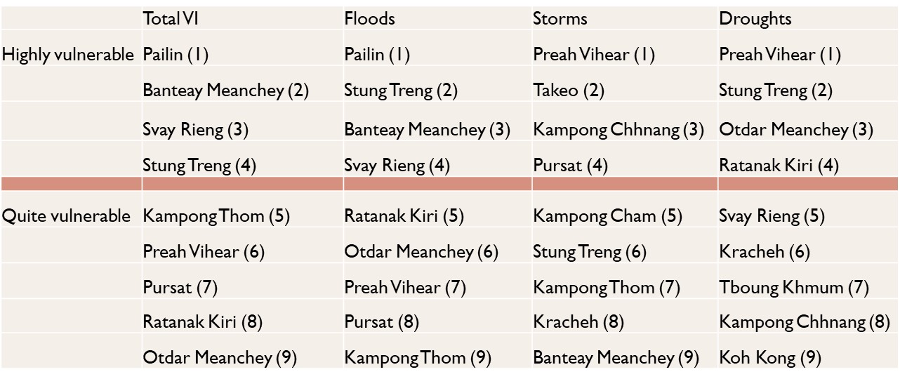
Communes that are 'highly vulnerable' to climate hazards in each provinces, by hazard type
 | Hightly vunlerble |  |  |  | Quite Vulnerable
 | Storm | Flood | Drought |  | Storm | Flood | Drought
Banteay Meanchey | 7.69% | 52.31% | 24.62% | Banteay Meanchey | 43.08% | 23.08% | 32.31%
Battambang | 8.82% | 21.57% | 17.65% | Battambang | 42.16% | 32.35% | 29.41%
Kampong Cham | 15.60% | 6.42% | 14.68% | Kampong Cham | 49.54% | 18.35% | 28.44%
Kampong Chhnang | 27.14% | 10.00% | 35.71% | Kampong Chhnang | 22.86% | 28.57% | 20.00%
Kampong Speu | 5.75% | 3.45% | 1.15% | Kampong Speu | 33.33% | 2.30% | 9.20%
Kampong Thom | 18.52% | 16.05% | 39.51% | Kampong Thom | 33.33% | 32.10% | 29.63%
Kampot | 6.45% | 3.23% | 13.98% | Kampot | 31.18% | 10.75% | 24.73%
Kandal | 14.96% | 9.45% | 3.94% | Kandal | 27.56% | 7.87% | 12.60%
Koh Kong | 10.34% | 3.45% | 37.93% | Koh Kong | 20.69% | 24.14% | 27.59%
Kracheh | 21.28% | 10.64% | 44.68% | Kracheh | 36.17% | 31.91% | 27.66%
Mondul Kiri | 0.00% | 0.00% | 23.81% | Mondul Kiri | 19.05% | 19.05% | 19.05%
Phnom Penh | 0.00% | 0.95% | 0.00% | Phnom Penh | 0.00% | 0.95% | 0.95%
Preah Vihear | 31.37% | 11.76% | 66.67% | Preah Vihear | 43.14% | 54.90% | 15.69%
Prey Veng | 9.48% | 7.76% | 15.52% | Prey Veng | 22.41% | 22.41% | 33.62%
Pursat | 16.33% | 18.37% | 26.53% | Pursat | 53.06% | 32.65% | 34.69%
Ratanak Kiri | 6.00% | 20.00% | 50.00% | Ratanak Kiri | 16.00% | 30.00% | 32.00%
Siem Reap | 9.00% | 16.00% | 49.00% | Siem Reap | 40.00% | 37.00% | 15.00%
Preah Sihanouk | 3.45% | 3.45% | 10.34% | Preah Sihanouk | 31.03% | 3.45% | 3.45%
Stung Treng | 17.65% | 17.65% | 70.59% | Stung Treng | 41.18% | 58.82% | 17.65%
Communes that are 'quite vulnerable' to climate hazards in each provinces, by hazard type
Svay Rieng | 0.00% | 30.00% | 25.00% | Svay Rieng | 1.25% | 18.75% | 27.50%
Takeo | 25.00% | 8.00% | 8.00% | Takeo | 35.00% | 17.00% | 28.00%
Otdar Meanchey | 12.50% | 29.17% | 58.33% | Otdar Meanchey | 20.83% | 50.00% | 20.83%
Kep | 0.00% | 0.00% | 0.00% | Kep | 40.00% | 0.00% | 20.00%
Pailin | 0.00% | 62.50% | 0.00% | Pailin | 12.50% | 25.00% | 37.50%
Tboung Khmum | 3.13% | 7.81% | 20.31% | Tboung Khmum | 12.50% | 17.19% | 25.00%

Commune Ranking
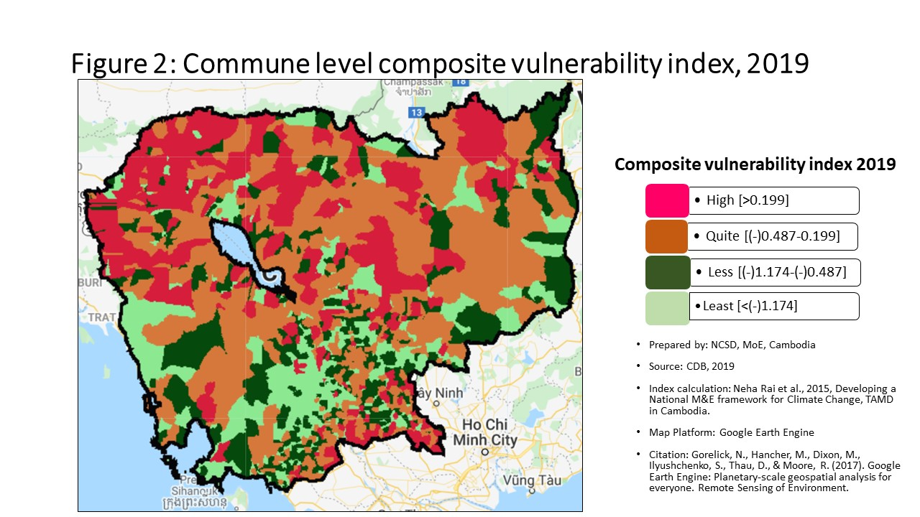
Vulnerability Index by commune, 2019
Prepared by: | NCSD, MoE,Cambodia
Source: | CDB 2019
CommGis | Province | District | Commune | Storm VI | Rank | FLOOD VI | Rank | Drought VI | Rank | Composite VI | Rank
11002 | Banteay Meanchey | Paoy Paet | Paoy Paet | -0.30 | 1216 | -2.25 | 1379 | -2.77 | 1417 | -2.414 | 1433
11001 | Banteay Meanchey | Paoy Paet | Nimitt | -0.21 | 535 | -1.51 | 1168 | -2.70 | 1400 | -1.416 | 1164
11003 | Banteay Meanchey | Paoy Paet | Phsar Kandal | -0.25 | 876 | -0.19 | 446 | -2.41 | 1326 | -0.774 | 850
10201 | Banteay Meanchey | Mongkol Borei | Banteay Neang | -0.20 | 437 | 2.41 | 79 | -1.23 | 770 | 1.526 | 101
10202 | Banteay Meanchey | Mongkol Borei | Bat Trang | -0.18 | 278 | 0.20 | 265 | -0.64 | 356 | 0.257 | 252
10203 | Banteay Meanchey | Mongkol Borei | Chamnaom | -0.25 | 904 | 0.01 | 334 | -1.07 | 659 | 0.069 | 321
10204 | Banteay Meanchey | Mongkol Borei | Kouk Ballangk | -0.19 | 368 | 0.89 | 161 | -0.27 | 122 | 0.910 | 142
10205 | Banteay Meanchey | Mongkol Borei | Koy Maeng | -0.26 | 938 | -0.48 | 640 | -1.63 | 1013 | -0.362 | 614
10206 | Banteay Meanchey | Mongkol Borei | Ou Prasat | -0.19 | 341 | -1.18 | 1022 | -1.47 | 919 | -1.059 | 1000
10207 | Banteay Meanchey | Mongkol Borei | Phnum Touch | -0.23 | 665 | -0.91 | 882 | -2.26 | 1266 | -0.802 | 868
10208 | Banteay Meanchey | Mongkol Borei | Rohat Tuek | -0.19 | 339 | 2.70 | 67 | -0.98 | 609 | 1.885 | 73
10209 | Banteay Meanchey | Mongkol Borei | Ruessei Kraok | -0.28 | 1113 | -1.81 | 1257 | -2.61 | 1384 | -1.682 | 1242
10210 | Banteay Meanchey | Mongkol Borei | Sambuor | -0.17 | 247 | 0.58 | 195 | -0.46 | 213 | 0.548 | 182
10211 | Banteay Meanchey | Mongkol Borei | Soea | -0.21 | 475 | 0.45 | 211 | -0.75 | 430 | 0.448 | 203
10212 | Banteay Meanchey | Mongkol Borei | Srah Reang | -0.15 | 161 | 0.55 | 199 | -0.67 | 376 | 0.668 | 163
10213 | Banteay Meanchey | Mongkol Borei | Ta Lam | -0.12 | 82 | 0.39 | 218 | -0.45 | 209 | 0.356 | 227
10301 | Banteay Meanchey | Phnum Srok | Nam Tau | -0.22 | 586 | 2.45 | 78 | -0.58 | 305 | 2.017 | 66
10302 | Banteay Meanchey | Phnum Srok | Poy Char | -0.21 | 480 | 2.59 | 70 | -0.29 | 137 | 2.716 | 43
10303 | Banteay Meanchey | Phnum Srok | Ponley | -0.23 | 683 | -1.93 | 1288 | -3.68 | 1549 | -1.852 | 1292
10304 | Banteay Meanchey | Phnum Srok | Spean Sraeng | -0.15 | 153 | 0.78 | 175 | -0.54 | 266 | 0.744 | 154
10305 | Banteay Meanchey | Phnum Srok | Srah Chik | -0.23 | 656 | 1.15 | 140 | -2.05 | 1189 | 1.128 | 122
10306 | Banteay Meanchey | Phnum Srok | Phnum Dei | -0.23 | 687 | 2.49 | 76 | -1.14 | 712 | 2.072 | 63
10401 | Banteay Meanchey | Preah Netr Preah | Chnuor Mean Chey | -0.17 | 218 | 8.25 | 14 | -1.28 | 792 | 5.780 | 17
10402 | Banteay Meanchey | Preah Netr Preah | Chob Veari | -0.28 | 1126 | -0.60 | 719 | -1.81 | 1095 | -0.511 | 708
10403 | Banteay Meanchey | Preah Netr Preah | Phnum Lieb | -0.24 | 765 | 1.34 | 125 | -0.83 | 492 | 1.048 | 130
10404 | Banteay Meanchey | Preah Netr Preah | Prasat | -0.25 | 869 | 2.14 | 93 | -0.59 | 310 | 1.649 | 89
10405 | Banteay Meanchey | Preah Netr Preah | Preah Netr Preah | -0.27 | 1029 | 0.53 | 201 | -0.69 | 394 | 0.545 | 183
10406 | Banteay Meanchey | Preah Netr Preah | Rohal | -0.23 | 712 | 1.50 | 118 | -0.69 | 393 | 1.612 | 93
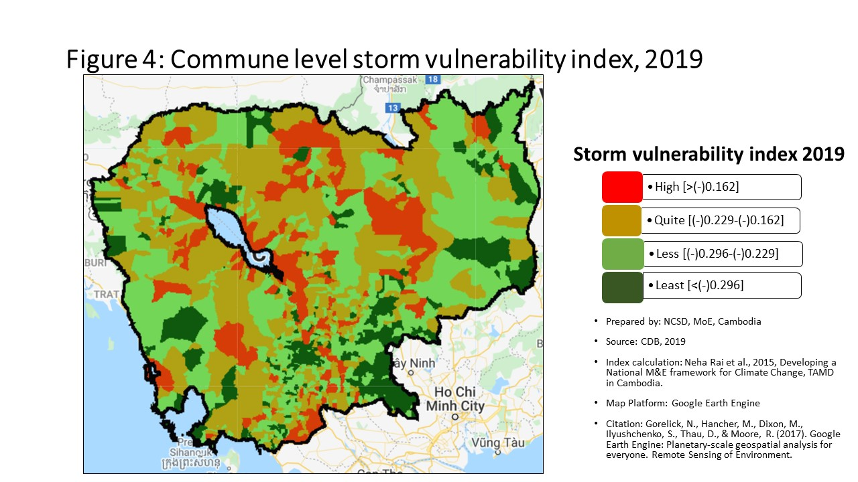
10407 | Banteay Meanchey | Preah Netr Preah | Tean Kam | -0.20 | 435 | 2.12 | 94 | 0.65 | 17 | 2.182 | 58
10408 | Banteay Meanchey | Preah Netr Preah | Tuek Chour | -0.19 | 337 | 0.15 | 279 | -0.85 | 506 | 0.288 | 247
10409 | Banteay Meanchey | Preah Netr Preah | Bos Sbov | -0.20 | 462 | 0.46 | 207 | -0.65 | 361 | 0.507 | 192
10501 | Banteay Meanchey | Ou Chrov | Changha | -0.19 | 369 | 0.25 | 253 | -0.89 | 538 | 0.334 | 237
10502 | Banteay Meanchey | Ou Chrov | Koub | -0.21 | 499 | 1.42 | 122 | -1.11 | 693 | 0.979 | 132
10503 | Banteay Meanchey | Ou Chrov | Kuttasat | -0.30 | 1225 | 0.43 | 213 | -1.46 | 915 | 0.442 | 204
10509 | Banteay Meanchey | Ou Chrov | Ou Bei Choan | -0.16 | 184 | -1.52 | 1172 | -2.39 | 1320 | -1.555 | 1203
10505 | Banteay Meanchey | Ou Chrov | Samraong | -0.23 | 723 | 1.97 | 97 | -0.73 | 415 | 1.484 | 104
10506 | Banteay Meanchey | Ou Chrov | Souphi | -0.24 | 764 | 0.26 | 250 | -0.54 | 271 | 0.270 | 250
10507 | Banteay Meanchey | Ou Chrov | Soengh | -0.19 | 395 | 0.74 | 180 | -0.60 | 323 | 0.775 | 152
10608 | Banteay Meanchey | Serei Saophoan | Tuek Thla | -0.26 | 999 | 1.15 | 141 | -1.00 | 617 | 0.940 | 137
10602 | Banteay Meanchey | Serei Saophoan | Kampong Svay | -0.31 | 1258 | -0.97 | 909 | -2.60 | 1381 | -1.255 | 1090
10603 | Banteay Meanchey | Serei Saophoan | Kaoh Pong Satv | -0.17 | 225 | 0.23 | 257 | -0.89 | 540 | 0.275 | 249
10604 | Banteay Meanchey | Serei Saophoan | Mkak | -0.26 | 976 | 0.11 | 292 | -0.88 | 526 | 0.198 | 271
10605 | Banteay Meanchey | Serei Saophoan | Ou Ambel | -0.28 | 1084 | -0.05 | 364 | -1.10 | 685 | -0.157 | 469
10606 | Banteay Meanchey | Serei Saophoan | Phniet | -0.27 | 1023 | 4.53 | 36 | -1.39 | 876 | 2.916 | 42
10607 | Banteay Meanchey | Serei Saophoan | Preah Ponlea | -0.40 | 1490 | -1.11 | 987 | -1.39 | 879 | -0.965 | 958
10701 | Banteay Meanchey | Thma Puok | Banteay Chhmar | -0.20 | 416 | 1.23 | 133 | -1.30 | 810 | 0.800 | 148
10702 | Banteay Meanchey | Thma Puok | Kouk Romiet | -0.17 | 219 | 2.55 | 74 | -0.89 | 539 | 1.983 | 68
10703 | Banteay Meanchey | Thma Puok | Phum Thmei | -0.24 | 782 | 0.07 | 307 | -1.50 | 942 | 0.213 | 268
10704 | Banteay Meanchey | Thma Puok | Thma Puok | -0.25 | 910 | -0.54 | 685 | -2.09 | 1204 | -0.454 | 673
10705 | Banteay Meanchey | Thma Puok | Kouk Kakthen | -0.23 | 708 | 0.98 | 153 | -0.51 | 246 | 1.111 | 124
10706 | Banteay Meanchey | Thma Puok | Kumru | -0.27 | 1009 | -1.00 | 935 | -2.29 | 1280 | -0.862 | 901
10801 | Banteay Meanchey | Svay Chek | Phkoam | -0.19 | 357 | 0.91 | 159 | -1.86 | 1109 | 0.531 | 185
10802 | Banteay Meanchey | Svay Chek | Sarongk | -0.32 | 1294 | 0.45 | 210 | -0.96 | 590 | 0.460 | 201
10803 | Banteay Meanchey | Svay Chek | Sla Kram | -0.27 | 1032 | 0.60 | 190 | -0.89 | 533 | 0.734 | 155
10804 | Banteay Meanchey | Svay Chek | Svay Chek | -0.18 | 308 | 0.26 | 249 | -1.19 | 746 | 0.399 | 213
10805 | Banteay Meanchey | Svay Chek | Ta Baen | -0.20 | 398 | -0.22 | 472 | -0.85 | 508 | -0.095 | 425
10806 | Banteay Meanchey | Svay Chek | Ta Phou | -0.19 | 336 | 0.67 | 185 | -0.44 | 198 | 0.724 | 159
10807 | Banteay Meanchey | Svay Chek | Treas | -0.26 | 943 | 2.15 | 91 | -1.02 | 629 | 1.864 | 74
10808 | Banteay Meanchey | Svay Chek | Roluos | -0.23 | 644 | -0.33 | 548 | -2.26 | 1267 | -0.361 | 612
10901 | Banteay Meanchey | Malai | Boeng Beng | -0.26 | 956 | -0.47 | 633 | -3.42 | 1525 | -0.450 | 669
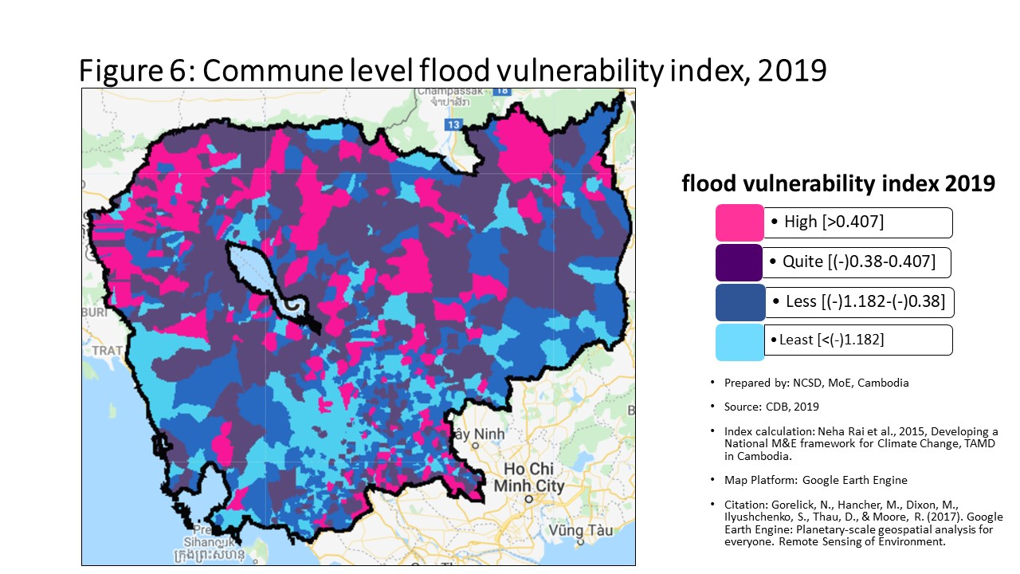
10902 | Banteay Meanchey | Malai | Malai | -0.25 | 824 | -0.86 | 860 | -2.62 | 1387 | -0.911 | 933
10903 | Banteay Meanchey | Malai | Ou Sampoar | -0.25 | 825 | 9.97 | 6 | -1.73 | 1064 | 6.913 | 10
10904 | Banteay Meanchey | Malai | Ou Sralau | -0.25 | 882 | -0.36 | 565 | -2.21 | 1256 | -0.266 | 546
10905 | Banteay Meanchey | Malai | Tuol Pongro | -0.22 | 621 | -1.45 | 1146 | -2.43 | 1335 | -1.319 | 1121
10906 | Banteay Meanchey | Malai | Ta Kong | -0.13 | 88 | 0.88 | 162 | -0.67 | 381 | 0.867 | 145
20101 | Battambang | Banan | Kantueu Muoy | -0.20 | 417 | 2.24 | 87 | -0.77 | 440 | 1.620 | 91
20102 | Battambang | Banan | Kantueu Pir | -0.24 | 795 | 0.80 | 173 | -1.18 | 739 | 0.938 | 138
20103 | Battambang | Banan | Bay Damram | -0.14 | 119 | -0.14 | 413 | -0.41 | 182 | -0.094 | 424
20104 | Battambang | Banan | Chheu Teal | -0.21 | 513 | 0.03 | 324 | -1.94 | 1145 | -0.336 | 595
20105 | Battambang | Banan | Chaeng Mean Chey | -0.18 | 289 | 0.59 | 193 | -0.84 | 502 | 0.674 | 162
20106 | Battambang | Banan | Phnum Sampov | -0.23 | 697 | -1.19 | 1031 | -2.22 | 1260 | -1.208 | 1067
20107 | Battambang | Banan | Snoeng | -0.20 | 451 | 0.11 | 295 | -1.13 | 707 | 0.163 | 283
20108 | Battambang | Banan | Ta Kream | -0.19 | 385 | -0.54 | 684 | -1.55 | 967 | -0.408 | 640
20201 | Battambang | Thma Koul | Ta Pung | -0.28 | 1131 | -1.27 | 1061 | -2.09 | 1202 | -1.142 | 1040
20202 | Battambang | Thma Koul | Ta Meun | -0.26 | 912 | -0.79 | 826 | -1.57 | 973 | -0.699 | 805
20203 | Battambang | Thma Koul | Ou Ta Ki | -0.21 | 482 | -0.15 | 418 | -0.99 | 614 | 0.008 | 350
20204 | Battambang | Thma Koul | Chrey | -0.26 | 919 | -0.75 | 800 | -1.52 | 952 | -0.718 | 820
20205 | Battambang | Thma Koul | Anlong Run | -0.24 | 747 | 0.57 | 196 | -0.80 | 465 | 0.663 | 165
20206 | Battambang | Thma Koul | Chrouy Sdau | -0.23 | 646 | -53.80 | 1646 | -54.83 | 1646 | -53.684 | 1646
20207 | Battambang | Thma Koul | Boeng Pring | -0.23 | 659 | 0.17 | 272 | -1.46 | 916 | 0.329 | 238
20208 | Battambang | Thma Koul | Kouk Khmum | -0.17 | 266 | -0.35 | 558 | -1.25 | 779 | -0.309 | 580
20209 | Battambang | Thma Koul | Bansay Traeng | -0.25 | 820 | -0.47 | 631 | -1.62 | 1009 | -0.335 | 594
20210 | Battambang | Thma Koul | Rung Chrey | -0.20 | 467 | -0.23 | 479 | -1.31 | 813 | -0.204 | 496
20301 | Battambang | Battambang | Tuol Ta Aek | -0.41 | 1512 | -2.00 | 1306 | -2.10 | 1205 | -1.843 | 1289
20302 | Battambang | Battambang | Preaek Preah Sdach | -0.42 | 1517 | -1.70 | 1215 | -1.72 | 1054 | -1.554 | 1202
20303 | Battambang | Battambang | Rotanak | -0.32 | 1305 | -9.47 | 1642 | -9.57 | 1642 | -9.309 | 1642
20304 | Battambang | Battambang | Chamkar Samraong | -0.39 | 1469 | -2.77 | 1481 | -3.01 | 1465 | -2.620 | 1470
20305 | Battambang | Battambang | Sla Kaet | -0.45 | 1543 | -4.19 | 1599 | -4.43 | 1595 | -4.061 | 1596
20306 | Battambang | Battambang | Kdol Doun Teav | -0.31 | 1259 | -1.37 | 1103 | -1.53 | 959 | -1.211 | 1071
20307 | Battambang | Battambang | Ou Mal | -0.25 | 888 | -0.68 | 759 | -1.60 | 999 | -0.595 | 750
20308 | Battambang | Battambang | Voat Kor | -0.35 | 1399 | 0.15 | 278 | -1.90 | 1124 | -0.365 | 616
20309 | Battambang | Battambang | Ou Char | -0.35 | 1385 | -2.74 | 1473 | -2.99 | 1460 | -2.608 | 1466
20310 | Battambang | Battambang | Svay Pao | -0.43 | 1527 | -0.97 | 907 | -0.93 | 569 | -0.805 | 869
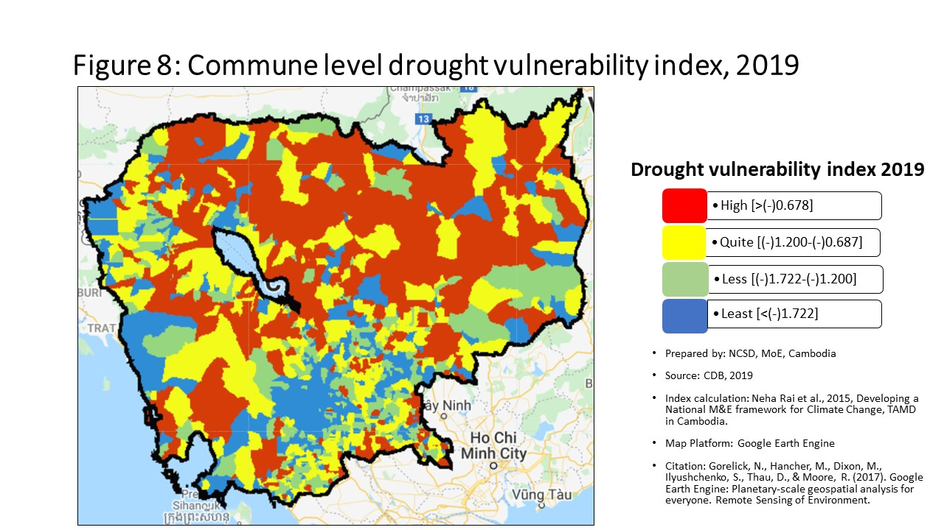
20401 | Battambang | Bavel | Bavel | -0.19 | 364 | -1.04 | 951 | -1.94 | 1143 | -0.920 | 938
20402 | Battambang | Bavel | Khnach Romeas | -0.18 | 311 | -0.50 | 646 | -1.74 | 1067 | -0.401 | 638
20403 | Battambang | Bavel | Lvea | -0.17 | 221 | -0.29 | 514 | -1.43 | 893 | -0.188 | 486
20404 | Battambang | Bavel | Prey Khpos | -0.19 | 340 | -0.10 | 392 | -0.98 | 605 | 0.012 | 345
20405 | Battambang | Bavel | Ampil Pram Daeum | -0.22 | 601 | -0.58 | 705 | -1.16 | 728 | -0.464 | 679
20406 | Battambang | Bavel | Kdol Ta Haen | -0.23 | 717 | -0.71 | 775 | -1.37 | 859 | -0.588 | 746
20407 | Battambang | Bavel | Khlaeng Meas | -0.23 | 720 | -0.47 | 637 | -1.17 | 733 | -0.345 | 603
20408 | Battambang | Bavel | Boeung Pram | -0.22 | 640 | -0.38 | 578 | -0.70 | 402 | -0.255 | 538
20501 | Battambang | Aek Phnum | Preaek Norint | -0.28 | 1088 | 2.95 | 62 | -1.97 | 1158 | 1.533 | 100
20502 | Battambang | Aek Phnum | Samraong Knong | -0.36 | 1406 | -0.99 | 925 | -1.28 | 790 | -0.900 | 926
20503 | Battambang | Aek Phnum | Preaek Khpob | -0.27 | 1078 | -0.77 | 812 | -0.93 | 571 | -0.663 | 791
20504 | Battambang | Aek Phnum | Preaek Luong | -0.21 | 472 | -0.68 | 757 | -1.14 | 708 | -0.551 | 731
20505 | Battambang | Aek Phnum | Peam Aek | -0.21 | 531 | -0.86 | 859 | -1.29 | 804 | -0.750 | 837
20506 | Battambang | Aek Phnum | Prey Chas | -0.03 | 14 | 0.02 | 327 | 0.08 | 27 | -0.024 | 369
20507 | Battambang | Aek Phnum | Kaoh Chiveang | -0.02 | 10 | -0.01 | 345 | -0.07 | 47 | -0.065 | 394
20601 | Battambang | Moung Ruessei | Moung | -0.20 | 406 | -1.16 | 1012 | -1.46 | 912 | -1.089 | 1019
20602 | Battambang | Moung Ruessei | Kear | -0.15 | 165 | -0.30 | 519 | -0.88 | 528 | -0.305 | 574
20603 | Battambang | Moung Ruessei | Prey Svay | -0.16 | 194 | -0.60 | 715 | -1.11 | 697 | -0.609 | 763
20604 | Battambang | Moung Ruessei | Ruessei Krang | -0.17 | 236 | -1.11 | 984 | -1.97 | 1157 | -1.109 | 1029
20605 | Battambang | Moung Ruessei | Chrey | -0.13 | 104 | -0.23 | 478 | -0.79 | 464 | -0.079 | 410
20606 | Battambang | Moung Ruessei | Ta Loas | -0.19 | 370 | -0.42 | 606 | -0.82 | 476 | -0.303 | 571
20607 | Battambang | Moung Ruessei | Kakaoh | -0.13 | 89 | 0.24 | 254 | -0.47 | 223 | 0.244 | 257
20608 | Battambang | Moung Ruessei | Prey Touch | -0.18 | 316 | 0.26 | 244 | -0.97 | 596 | 0.335 | 236
20609 | Battambang | Moung Ruessei | Robas Mongkol | -0.16 | 172 | -0.33 | 549 | -0.75 | 429 | -0.315 | 584
20701 | Battambang | Rotonak Mondol | Sdau | -0.35 | 1379 | 0.99 | 150 | -1.35 | 839 | 0.617 | 173
20702 | Battambang | Rotonak Mondol | Andaeuk Haeb | -0.29 | 1182 | 0.22 | 260 | -0.28 | 130 | 0.250 | 255
20703 | Battambang | Rotonak Mondol | Phlov Meas | -0.27 | 1046 | -0.61 | 721 | -1.60 | 1000 | -0.459 | 675
20704 | Battambang | Rotonak Mondol | Traeng | -0.28 | 1139 | 0.30 | 239 | -1.10 | 686 | 0.387 | 216
20705 | Battambang | Rotonak Mondol | Reaksmei Songha | -0.29 | 1163 | 1.48 | 119 | -0.61 | 330 | 1.560 | 97
20801 | Battambang | Sangkae | Anlong Vil | -0.24 | 799 | -1.14 | 996 | -1.54 | 960 | -0.993 | 967
20802 | Battambang | Sangkae | Norea | -0.26 | 984 | -1.07 | 967 | -1.35 | 844 | -0.907 | 931
20803 | Battambang | Sangkae | Ta Pon | -0.18 | 317 | -0.31 | 532 | -1.11 | 692 | -0.163 | 473
20804 | Battambang | Sangkae | Roka | -0.20 | 407 | -0.35 | 561 | -0.62 | 332 | -0.216 | 507
20805 | Battambang | Sangkae | Kampong Preah | -0.26 | 994 | -0.21 | 466 | -0.50 | 237 | -0.045 | 383
20806 | Battambang | Sangkae | Kampong Preang | -0.19 | 331 | 0.23 | 256 | -0.79 | 459 | 0.398 | 214
20807 | Battambang | Sangkae | Reang Kesei | -0.12 | 76 | -0.23 | 475 | -0.02 | 38 | -0.069 | 400
20808 | Battambang | Sangkae | Ou Dambang Muoy | -0.18 | 313 | -0.98 | 915 | -0.48 | 226 | -0.826 | 883
20809 | Battambang | Sangkae | Ou Dambang Pir | -0.23 | 707 | -0.77 | 815 | -0.96 | 592 | -0.633 | 779
20810 | Battambang | Sangkae | Voat Ta Muem | -0.25 | 873 | -0.82 | 838 | -1.21 | 760 | -0.730 | 828
20901 | Battambang | Samlout | Ta Taok | -0.18 | 299 | -1.45 | 1148 | -1.52 | 950 | -1.314 | 1118
20902 | Battambang | Samlout | Kampong Lpov | -0.23 | 710 | -0.02 | 351 | -1.15 | 722 | 0.145 | 290
20903 | Battambang | Samlout | Ou Samril | -0.20 | 434 | -0.58 | 704 | -2.19 | 1241 | -0.517 | 715
20904 | Battambang | Samlout | Sung | -0.19 | 343 | -0.04 | 360 | -0.73 | 419 | 0.094 | 308
20905 | Battambang | Samlout | Samlout | -0.22 | 614 | -0.57 | 700 | -0.96 | 588 | -0.510 | 707
20906 | Battambang | Samlout | Mean Chey | -0.20 | 456 | 2.79 | 66 | -0.59 | 316 | 2.244 | 54
20907 | Battambang | Samlout | Ta Sanh | -0.25 | 897 | -1.19 | 1026 | -2.22 | 1258 | -1.042 | 990
21001 | Battambang | Sampov Lun | Sampov Lun | -0.22 | 568 | -1.09 | 978 | -4.46 | 1598 | -0.919 | 937
21002 | Battambang | Sampov Lun | Angkor Ban | -0.16 | 204 | -0.63 | 734 | -4.30 | 1590 | -0.490 | 694
21003 | Battambang | Sampov Lun | Ta Sda | -0.16 | 207 | 3.60 | 46 | -6.76 | 1635 | 2.107 | 60
21004 | Battambang | Sampov Lun | Santepheap | -0.26 | 951 | -0.76 | 810 | -2.49 | 1356 | -0.607 | 760
21005 | Battambang | Sampov Lun | Serei Mean Chey | -0.24 | 737 | 1.56 | 116 | -2.51 | 1365 | 1.286 | 115
21006 | Battambang | Sampov Lun | Chrey Seima | -0.26 | 911 | 0.65 | 187 | -2.01 | 1175 | 0.728 | 157
21101 | Battambang | Phnum Proek | Phnum Proek | -0.28 | 1089 | 3.46 | 51 | -1.95 | 1150 | 3.567 | 35
21102 | Battambang | Phnum Proek | Pech Chenda | -0.33 | 1341 | 4.83 | 32 | -2.46 | 1345 | 3.792 | 29
21103 | Battambang | Phnum Proek | Bour | -0.21 | 478 | 0.90 | 160 | -1.11 | 690 | 0.964 | 135
21104 | Battambang | Phnum Proek | Barang Thleak | -0.31 | 1255 | 1.68 | 107 | -3.65 | 1547 | 1.691 | 86
21105 | Battambang | Phnum Proek | Ou Rumduol | -0.31 | 1244 | 0.26 | 248 | -2.75 | 1409 | 0.385 | 218
21201 | Battambang | Kamrieng | Kamrieng | -0.24 | 742 | 4.28 | 38 | -2.48 | 1352 | 3.072 | 41
21202 | Battambang | Kamrieng | Boeng Reang | -0.26 | 914 | 2.24 | 86 | -1.37 | 866 | 1.747 | 79
21203 | Battambang | Kamrieng | Ou Da | -0.25 | 837 | 3.35 | 52 | -2.90 | 1444 | 2.414 | 49
21204 | Battambang | Kamrieng | Trang | -0.26 | 965 | -0.95 | 898 | -3.64 | 1544 | -0.825 | 881
21205 | Battambang | Kamrieng | Ta Saen | -0.28 | 1098 | 10.04 | 5 | -0.74 | 423 | 7.763 | 8
21206 | Battambang | Kamrieng | Ta Krei | -0.23 | 686 | 1.62 | 109 | -1.04 | 645 | 1.720 | 82
21301 | Battambang | Koas Krala | Thipakdei | -0.19 | 353 | 0.60 | 191 | -0.64 | 354 | 0.622 | 172
21302 | Battambang | Koas Krala | Kaos Krala | -0.23 | 680 | -0.84 | 848 | -1.35 | 845 | -0.705 | 809
21303 | Battambang | Koas Krala | Hab | -0.19 | 346 | 0.08 | 299 | -0.17 | 74 | 0.217 | 266
21304 | Battambang | Koas Krala | Preah Phos | -0.22 | 633 | -0.07 | 377 | -0.39 | 172 | 0.071 | 319
21305 | Battambang | Koas Krala | Doun Ba | -0.21 | 526 | 0.01 | 330 | -0.27 | 127 | 0.155 | 285
21306 | Battambang | Koas Krala | Chhnal Moan | -0.27 | 1003 | 0.33 | 231 | -0.58 | 301 | 0.329 | 239
21401 | Battambang | Rukh Kiri | Preaek Chik | -0.17 | 256 | 0.02 | 325 | -0.74 | 424 | 0.043 | 335
21402 | Battambang | Rukh Kiri | Prey Tralach | -0.14 | 131 | 0.42 | 214 | 10.20 | 4 | 0.514 | 189
21403 | Battambang | Rukh Kiri | Mukh Reah | -0.20 | 440 | -0.19 | 445 | -0.66 | 367 | -0.072 | 402
21404 | Battambang | Rukh Kiri | Sdok Pravoek | -0.21 | 550 | -0.52 | 662 | -1.35 | 843 | -0.533 | 725
21405 | Battambang | Rukh Kiri | Basak | -0.23 | 705 | -1.72 | 1224 | -2.34 | 1301 | -1.654 | 1232
30101 | Kampong Cham | Batheay | Batheay | -0.24 | 774 | -1.39 | 1107 | -1.87 | 1114 | -1.258 | 1092
30102 | Kampong Cham | Batheay | Chbar Ampov | -0.27 | 1015 | -0.51 | 658 | -0.89 | 532 | -0.393 | 634
30103 | Kampong Cham | Batheay | Chealea | -0.16 | 211 | -2.05 | 1328 | -2.68 | 1399 | -1.968 | 1329
30104 | Kampong Cham | Batheay | Cheung Prey | -0.22 | 638 | -1.14 | 998 | -1.68 | 1032 | -0.995 | 970
30105 | Kampong Cham | Batheay | Me Pring | -0.20 | 464 | -1.03 | 949 | 1.62 | 12 | -0.911 | 932
30106 | Kampong Cham | Batheay | Ph'av | -0.44 | 1538 | -1.84 | 1264 | -2.33 | 1298 | -1.717 | 1251
30107 | Kampong Cham | Batheay | Sambour | -0.27 | 1031 | 0.80 | 174 | -1.89 | 1121 | 0.249 | 256
30108 | Kampong Cham | Batheay | Sandaek | -0.24 | 759 | -0.52 | 660 | -0.72 | 408 | -0.375 | 622
30109 | Kampong Cham | Batheay | Tang Krang | -0.32 | 1298 | -0.49 | 643 | -2.07 | 1195 | -0.763 | 843
30110 | Kampong Cham | Batheay | Tang Krasang | -0.22 | 567 | -0.76 | 811 | -1.21 | 763 | -0.634 | 780
30111 | Kampong Cham | Batheay | Trab | -0.22 | 613 | 2.96 | 61 | -1.02 | 631 | 1.923 | 71
30112 | Kampong Cham | Batheay | Tumnob | -0.32 | 1301 | -1.45 | 1147 | -1.58 | 981 | -1.294 | 1109
30201 | Kampong Cham | Chamkar Leu | Bos Khnor | -0.29 | 1165 | -1.88 | 1272 | -2.19 | 1240 | -1.751 | 1261
30202 | Kampong Cham | Chamkar Leu | Chamkar Andoung | -0.22 | 584 | -0.96 | 903 | -2.32 | 1291 | -1.117 | 1032
30203 | Kampong Cham | Chamkar Leu | Cheyyou | -0.20 | 458 | -1.09 | 977 | -1.33 | 827 | -0.967 | 960
30204 | Kampong Cham | Chamkar Leu | Lvea Leu | -0.28 | 1094 | -1.15 | 1005 | -1.75 | 1068 | -1.010 | 976
30205 | Kampong Cham | Chamkar Leu | Spueu | -0.24 | 811 | -0.25 | 494 | -0.70 | 401 | -0.131 | 451
30206 | Kampong Cham | Chamkar Leu | Svay Teab | -0.28 | 1117 | -0.13 | 409 | -1.82 | 1098 | -0.419 | 654
30207 | Kampong Cham | Chamkar Leu | Ta Ong | -0.21 | 517 | -1.07 | 972 | -1.37 | 861 | -0.934 | 944
30208 | Kampong Cham | Chamkar Leu | Ta Prok | -0.19 | 393 | -0.05 | 361 | -0.43 | 196 | 0.084 | 313
30301 | Kampong Cham | Cheung Prey | Khnor Dambang | -0.22 | 594 | -1.49 | 1158 | -2.12 | 1211 | -1.404 | 1159
30302 | Kampong Cham | Cheung Prey | Kouk Rovieng | -0.18 | 279 | -1.46 | 1149 | -1.91 | 1126 | -1.332 | 1129
30303 | Kampong Cham | Cheung Prey | Pdau Chum | -0.22 | 585 | -0.39 | 583 | -0.87 | 522 | -0.226 | 518
30304 | Kampong Cham | Cheung Prey | Prey Char | -0.24 | 767 | -2.45 | 1422 | -2.73 | 1406 | -2.321 | 1415
30305 | Kampong Cham | Cheung Prey | Pring Chrum | -0.16 | 193 | -0.40 | 585 | -0.72 | 413 | -0.259 | 542
30306 | Kampong Cham | Cheung Prey | Sampong Chey | -0.17 | 252 | -2.56 | 1447 | -2.92 | 1448 | -2.461 | 1444
30307 | Kampong Cham | Cheung Prey | Sdaeung Chey | -0.23 | 661 | -1.57 | 1186 | -2.00 | 1171 | -1.470 | 1177
30308 | Kampong Cham | Cheung Prey | Soutib | -0.23 | 675 | -0.90 | 875 | -3.28 | 1506 | -1.437 | 1172
30309 | Kampong Cham | Cheung Prey | Sramar | -0.24 | 780 | -2.35 | 1410 | -2.48 | 1351 | -2.206 | 1397
30310 | Kampong Cham | Cheung Prey | Trapeang Kor | -0.22 | 627 | -1.25 | 1052 | -1.81 | 1092 | -1.115 | 1031
30501 | Kampong Cham | Kampong Cham | Boeng Kok | -0.38 | 1447 | -3.38 | 1550 | -3.45 | 1529 | -3.234 | 1549
30502 | Kampong Cham | Kampong Cham | Kampong Cham | -0.52 | 1577 | -2.02 | 1313 | -2.08 | 1196 | -1.883 | 1300
30503 | Kampong Cham | Kampong Cham | Sambuor Meas | -0.34 | 1350 | -3.36 | 1549 | -3.49 | 1533 | -3.238 | 1550
30504 | Kampong Cham | Kampong Cham | Veal Vong | -0.48 | 1558 | -2.01 | 1308 | -1.98 | 1167 | -1.856 | 1293
30601 | Kampong Cham | Kampong Siem | Ampil | -0.30 | 1210 | -2.26 | 1380 | -2.42 | 1333 | -2.136 | 1371
30602 | Kampong Cham | Kampong Siem | Hanchey | -0.17 | 235 | -0.74 | 796 | -1.55 | 969 | -0.619 | 770
30603 | Kampong Cham | Kampong Siem | Kien Chrey | -0.19 | 335 | -0.99 | 929 | -1.17 | 732 | -0.885 | 913
30604 | Kampong Cham | Kampong Siem | Kokor | -0.23 | 718 | -0.99 | 927 | -1.32 | 824 | -0.918 | 936
30605 | Kampong Cham | Kampong Siem | Kaoh Mitt | -0.22 | 577 | -0.33 | 547 | -0.57 | 288 | -0.217 | 509
30606 | Kampong Cham | Kampong Siem | Kaoh Roka | -0.27 | 1017 | -1.77 | 1242 | -1.95 | 1149 | -1.673 | 1240
30607 | Kampong Cham | Kampong Siem | Kaoh Samraong | -0.19 | 334 | -0.42 | 599 | -0.56 | 287 | -0.451 | 670
30608 | Kampong Cham | Kampong Siem | Kaoh Tontuem | -0.19 | 344 | -0.88 | 869 | -1.14 | 711 | -0.839 | 891
30609 | Kampong Cham | Kampong Siem | Krala | -0.22 | 569 | -2.21 | 1367 | -2.28 | 1278 | -2.083 | 1363
30610 | Kampong Cham | Kampong Siem | Ou Svay | -0.22 | 588 | -2.29 | 1390 | -2.83 | 1429 | -2.165 | 1378
30611 | Kampong Cham | Kampong Siem | Ro'ang | -0.24 | 781 | -1.53 | 1174 | -1.59 | 986 | -1.396 | 1153
30612 | Kampong Cham | Kampong Siem | Rumchek | -0.09 | 43 | -0.98 | 912 | -1.11 | 695 | -0.834 | 889
30613 | Kampong Cham | Kampong Siem | Srak | -0.17 | 214 | 3.67 | 42 | -0.81 | 471 | 2.461 | 46
30614 | Kampong Cham | Kampong Siem | Trean | -0.28 | 1083 | -1.33 | 1086 | -1.49 | 934 | -1.210 | 1069
30615 | Kampong Cham | Kampong Siem | Vihear Thum | -0.17 | 255 | -1.04 | 953 | -1.29 | 806 | -0.920 | 939
30701 | Kampong Cham | Kang Meas | Angkor Ban | -0.26 | 973 | 3.11 | 57 | -1.49 | 932 | 1.711 | 84
30702 | Kampong Cham | Kang Meas | Kang Ta Noeng | -0.13 | 92 | -0.46 | 629 | -0.76 | 436 | -0.346 | 606
30703 | Kampong Cham | Kang Meas | Khchau | -0.18 | 291 | -0.74 | 795 | -0.92 | 562 | -0.658 | 788
30704 | Kampong Cham | Kang Meas | Peam Chi Kang | -0.23 | 674 | -2.52 | 1435 | -2.51 | 1361 | -2.417 | 1436
30705 | Kampong Cham | Kang Meas | Preaek Koy | -0.09 | 48 | -0.20 | 460 | -0.83 | 490 | -0.095 | 427
30706 | Kampong Cham | Kang Meas | Preaek Krabau | -0.22 | 600 | -1.08 | 975 | -1.11 | 691 | -0.994 | 968
30707 | Kampong Cham | Kang Meas | Reay Pay | -0.11 | 65 | -1.54 | 1177 | -1.97 | 1159 | -1.400 | 1155
30708 | Kampong Cham | Kang Meas | Roka Ar | -0.14 | 108 | -0.72 | 781 | -1.29 | 802 | -0.600 | 755
30709 | Kampong Cham | Kang Meas | Roka Koy | -0.20 | 431 | -1.61 | 1192 | -1.90 | 1123 | -1.496 | 1182
30710 | Kampong Cham | Kang Meas | Sdau | -0.16 | 174 | -0.46 | 628 | -0.83 | 493 | -0.352 | 608
30711 | Kampong Cham | Kang Meas | Sour Kong | -0.17 | 241 | -1.08 | 974 | -1.45 | 907 | -1.094 | 1023
30801 | Kampong Cham | Kaoh Soutin | Kampong Reab | -0.12 | 75 | -0.25 | 495 | -0.45 | 210 | -0.123 | 447
30802 | Kampong Cham | Kaoh Soutin | Kaoh Sotin | -0.14 | 127 | -0.06 | 373 | -0.47 | 221 | -0.091 | 420
30803 | Kampong Cham | Kaoh Soutin | Lve | -0.20 | 425 | -0.81 | 835 | -1.13 | 706 | -0.707 | 813
30804 | Kampong Cham | Kaoh Soutin | Moha Leaph | -0.27 | 1053 | -1.43 | 1136 | -2.05 | 1188 | -1.350 | 1136
30805 | Kampong Cham | Kaoh Soutin | Moha Khnhoung | -0.07 | 31 | -0.95 | 900 | -1.02 | 633 | -0.830 | 884
30806 | Kampong Cham | Kaoh Soutin | Peam Prathnuoh | -0.27 | 1062 | -0.77 | 814 | -1.07 | 663 | -0.745 | 833
30807 | Kampong Cham | Kaoh Soutin | Pongro | -0.16 | 200 | -0.34 | 556 | -0.87 | 523 | -0.247 | 532
30808 | Kampong Cham | Kaoh Soutin | Preaek Ta Nong | -0.16 | 183 | -0.25 | 496 | -0.44 | 201 | -0.123 | 446
31301 | Kampong Cham | Prey Chhor | Baray | -0.19 | 359 | -1.21 | 1039 | -1.35 | 848 | -1.083 | 1016
31302 | Kampong Cham | Prey Chhor | Boeng Nay | -0.16 | 180 | -1.01 | 939 | -1.29 | 798 | -0.894 | 921
31303 | Kampong Cham | Prey Chhor | Chrey Vien | -0.19 | 382 | -2.97 | 1508 | -2.86 | 1437 | -2.823 | 1501
31304 | Kampong Cham | Prey Chhor | Khvet Thum | -0.22 | 556 | -1.44 | 1144 | -1.72 | 1051 | -1.320 | 1122
31305 | Kampong Cham | Prey Chhor | Kor | -0.22 | 591 | -1.28 | 1065 | -1.49 | 933 | -1.138 | 1039
31306 | Kampong Cham | Prey Chhor | Krouch | -0.27 | 1013 | -1.70 | 1217 | -2.18 | 1235 | -1.580 | 1209
31307 | Kampong Cham | Prey Chhor | Lvea | -0.17 | 245 | -1.40 | 1116 | -1.61 | 1002 | -1.247 | 1084
31308 | Kampong Cham | Prey Chhor | Mien | -0.21 | 481 | -1.63 | 1196 | -1.73 | 1060 | -1.517 | 1189
31309 | Kampong Cham | Prey Chhor | Prey Chhor | -0.17 | 271 | -0.25 | 490 | -0.66 | 368 | -0.138 | 456
31310 | Kampong Cham | Prey Chhor | Sour Saen | -0.15 | 164 | -1.13 | 994 | -1.36 | 855 | -0.988 | 965
31311 | Kampong Cham | Prey Chhor | Samraong | -0.19 | 394 | -1.37 | 1099 | -1.64 | 1017 | -1.279 | 1100
31312 | Kampong Cham | Prey Chhor | Sragnae | -0.24 | 735 | -1.38 | 1106 | -1.53 | 956 | -1.263 | 1097
31313 | Kampong Cham | Prey Chhor | Thma Pun | -0.25 | 854 | -2.16 | 1356 | -2.84 | 1434 | -2.022 | 1341
31314 | Kampong Cham | Prey Chhor | Tong Rong | -0.15 | 166 | -0.57 | 697 | -0.69 | 396 | -0.460 | 676
31315 | Kampong Cham | Prey Chhor | Trapeang Preah | -0.20 | 402 | -1.35 | 1095 | -1.47 | 923 | -1.238 | 1079
31401 | Kampong Cham | Srei Santhor | Baray | -0.27 | 1036 | -0.27 | 505 | -0.67 | 379 | -0.160 | 470
31402 | Kampong Cham | Srei Santhor | Chi Bal | -0.18 | 293 | -0.31 | 526 | -0.92 | 566 | -0.189 | 488
31403 | Kampong Cham | Srei Santhor | Khnar Sa | -0.19 | 391 | -1.16 | 1013 | -1.81 | 1094 | -1.049 | 993
31404 | Kampong Cham | Srei Santhor | Kaoh Andaet | -0.16 | 191 | -0.66 | 754 | -0.78 | 453 | -0.544 | 728
31405 | Kampong Cham | Srei Santhor | Mean Chey | -0.22 | 580 | -1.14 | 1003 | -1.45 | 905 | -1.079 | 1012
31406 | Kampong Cham | Srei Santhor | Phteah Kandal | -0.12 | 78 | -0.37 | 572 | -0.63 | 340 | -0.269 | 548
31407 | Kampong Cham | Srei Santhor | Pram Yam | -0.17 | 265 | -0.51 | 655 | -1.09 | 680 | -0.395 | 636
31408 | Kampong Cham | Srei Santhor | Preaek Dambouk | -0.23 | 700 | -0.84 | 849 | -1.07 | 665 | -0.785 | 858
31409 | Kampong Cham | Srei Santhor | Preaek Pou | -0.22 | 562 | -0.99 | 924 | -1.28 | 791 | -0.876 | 909
31410 | Kampong Cham | Srei Santhor | Preaek Rumdeng | -0.20 | 419 | -0.54 | 683 | -0.75 | 428 | -0.429 | 659
31411 | Kampong Cham | Srei Santhor | Ruessei Srok | -0.15 | 137 | -0.23 | 477 | -0.40 | 176 | -0.148 | 463
31412 | Kampong Cham | Srei Santhor | Svay Pou | -0.26 | 972 | -1.07 | 968 | -1.45 | 909 | -0.995 | 971
31413 | Kampong Cham | Srei Santhor | Svay Khsach Phnum | -0.17 | 260 | -0.45 | 617 | -0.51 | 244 | -0.337 | 596
31414 | Kampong Cham | Srei Santhor | Tong Tralach | -0.10 | 56 | -0.37 | 569 | -0.78 | 454 | -0.229 | 521
31501 | Kampong Cham | Stueng Trang | Areaks Tnot | -0.29 | 1151 | -1.27 | 1064 | -1.73 | 1062 | -1.184 | 1056
31513 | Kampong Cham | Stueng Trang | Tuol Preah Khleang | -0.24 | 750 | -0.56 | 690 | -0.89 | 535 | -0.453 | 672
31503 | Kampong Cham | Stueng Trang | Dang Kdar | -0.27 | 1040 | -0.12 | 400 | -0.63 | 342 | 0.041 | 336
31504 | Kampong Cham | Stueng Trang | Khpob Ta Nguon | -0.20 | 423 | -0.30 | 521 | -0.70 | 403 | -0.182 | 481
31505 | Kampong Cham | Stueng Trang | Me Sar Chrey | -0.19 | 386 | -1.66 | 1207 | -1.99 | 1168 | -1.544 | 1199
31506 | Kampong Cham | Stueng Trang | Ou Mlu | -0.22 | 619 | 0.98 | 151 | -1.01 | 625 | 0.562 | 180
31507 | Kampong Cham | Stueng Trang | Peam Kaoh Snar | -0.29 | 1180 | -0.26 | 498 | -0.90 | 544 | -0.140 | 457
31508 | Kampong Cham | Stueng Trang | Preah Andoung | -0.25 | 835 | -0.15 | 421 | -0.55 | 276 | -0.037 | 378
31509 | Kampong Cham | Stueng Trang | Preaek Bak | -0.19 | 390 | -0.56 | 693 | -0.72 | 410 | -0.418 | 653
31510 | Kampong Cham | Stueng Trang | Preak Kak | -0.20 | 449 | 7.21 | 19 | -1.28 | 795 | 4.550 | 23
31514 | Kampong Cham | Stueng Trang | Tuol Sambuor | -0.24 | 734 | 0.00 | 337 | -0.18 | 83 | 0.138 | 292
31512 | Kampong Cham | Stueng Trang | Soupheas | -0.28 | 1127 | 1.34 | 126 | -0.66 | 369 | 0.917 | 141
40101 | Kampong Chhnang | Baribour | Anhchanh Rung | -0.29 | 1159 | -0.21 | 463 | -0.32 | 150 | -0.117 | 442
40102 | Kampong Chhnang | Baribour | Chhnok Tru | -0.04 | 17 | -0.25 | 493 | -0.41 | 184 | -0.305 | 573
40103 | Kampong Chhnang | Baribour | Chak | -0.31 | 1252 | -1.71 | 1219 | -2.03 | 1186 | -1.627 | 1220
40104 | Kampong Chhnang | Baribour | Khon Rang | -0.19 | 362 | -0.98 | 918 | -1.36 | 849 | -0.891 | 916
40105 | Kampong Chhnang | Baribour | Kampong Preah Kokir | -0.02 | 13 | -0.03 | 357 | -0.17 | 76 | -0.091 | 421
40106 | Kampong Chhnang | Baribour | Melum | -0.19 | 375 | -0.35 | 559 | -0.63 | 347 | -0.208 | 500
40107 | Kampong Chhnang | Baribour | Phsar | -0.28 | 1111 | -1.66 | 1205 | -1.88 | 1118 | -1.576 | 1208
40108 | Kampong Chhnang | Baribour | Pech Changvar | -0.28 | 1080 | 3.22 | 55 | -0.62 | 333 | 2.089 | 61
40109 | Kampong Chhnang | Baribour | Popel | -0.29 | 1146 | -0.72 | 778 | -0.95 | 582 | -0.763 | 844
40110 | Kampong Chhnang | Baribour | Ponley | -0.26 | 991 | -3.04 | 1516 | -3.28 | 1507 | -3.030 | 1528
40111 | Kampong Chhnang | Baribour | Trapeang Chan | -0.25 | 883 | -0.98 | 919 | -1.02 | 632 | -0.900 | 925
40201 | Kampong Chhnang | Chol Kiri | Chol Sar | -0.06 | 26 | -0.10 | 390 | -0.53 | 260 | -0.105 | 434
40202 | Kampong Chhnang | Chol Kiri | Kaoh Thkov | -0.04 | 18 | 4.55 | 35 | -0.26 | 117 | 3.146 | 40
40203 | Kampong Chhnang | Chol Kiri | Kampong Ous | -0.02 | 9 | -0.11 | 393 | -0.25 | 111 | -0.107 | 436
40204 | Kampong Chhnang | Chol Kiri | Peam Chhkaok | 0.01 | 5 | 0.02 | 328 | -0.15 | 68 | 0.121 | 301
40205 | Kampong Chhnang | Chol Kiri | Prey Kri | -0.08 | 38 | -0.56 | 692 | -1.29 | 800 | -0.565 | 740
40301 | Kampong Chhnang | Kampong Chhnang | Phsar Chhnang | -0.31 | 1274 | -2.13 | 1343 | -2.31 | 1288 | -2.025 | 1344
40302 | Kampong Chhnang | Kampong Chhnang | Kampong Chhnang | -0.35 | 1386 | -2.28 | 1386 | -2.51 | 1367 | -2.158 | 1376
40303 | Kampong Chhnang | Kampong Chhnang | B'er | -0.36 | 1412 | -2.30 | 1395 | -2.27 | 1273 | -2.164 | 1377
40304 | Kampong Chhnang | Kampong Chhnang | Khsam | -0.37 | 1431 | -1.52 | 1170 | -1.75 | 1069 | -1.416 | 1163
40401 | Kampong Chhnang | Kampong Leaeng | Chranouk | -0.09 | 41 | 3.48 | 49 | -0.30 | 138 | 2.396 | 51
40402 | Kampong Chhnang | Kampong Leaeng | Dar | -0.14 | 130 | -0.32 | 534 | -0.46 | 212 | -0.247 | 533
40403 | Kampong Chhnang | Kampong Leaeng | Kampong Hau | -0.10 | 60 | -1.38 | 1105 | -1.60 | 997 | -1.289 | 1106
40404 | Kampong Chhnang | Kampong Leaeng | Phlov Tuk | 0.05 | 3 | 0.07 | 304 | -0.11 | 59 | 0.009 | 347
40405 | Kampong Chhnang | Kampong Leaeng | Pou | -0.16 | 205 | -0.17 | 435 | -0.28 | 129 | -0.080 | 411
40406 | Kampong Chhnang | Kampong Leaeng | Pralay Meas | -0.06 | 23 | 0.13 | 283 | 0.05 | 31 | 0.070 | 320
40407 | Kampong Chhnang | Kampong Leaeng | Samraong Saen | -0.10 | 55 | -0.07 | 374 | -0.20 | 86 | 0.011 | 346
40408 | Kampong Chhnang | Kampong Leaeng | Svay Rumpear | -0.11 | 73 | -0.34 | 554 | -0.52 | 252 | -0.257 | 540
40409 | Kampong Chhnang | Kampong Leaeng | Trangel | -0.17 | 220 | -0.49 | 645 | -0.68 | 386 | -0.382 | 626
40501 | Kampong Chhnang | Kampong Tralach | Ampil Tuek | -0.14 | 109 | -0.43 | 611 | -0.71 | 405 | -0.343 | 602
40502 | Kampong Chhnang | Kampong Tralach | Chhuk Sa | -0.23 | 653 | -1.32 | 1080 | -1.29 | 797 | -1.188 | 1058
40503 | Kampong Chhnang | Kampong Tralach | Chres | -0.31 | 1257 | -1.11 | 988 | -1.21 | 759 | -1.005 | 975
40504 | Kampong Chhnang | Kampong Tralach | Kampong Tralach | -0.16 | 169 | -1.48 | 1155 | -1.57 | 972 | -1.329 | 1128
40505 | Kampong Chhnang | Kampong Tralach | Longveaek | -0.24 | 748 | -2.13 | 1342 | -2.45 | 1341 | -2.026 | 1345
40506 | Kampong Chhnang | Kampong Tralach | Ou Ruessei | -0.25 | 875 | -1.89 | 1277 | -2.08 | 1200 | -1.768 | 1269
40507 | Kampong Chhnang | Kampong Tralach | Peani | -0.26 | 1002 | -1.43 | 1131 | -1.65 | 1024 | -1.315 | 1119
40508 | Kampong Chhnang | Kampong Tralach | Saeb | -0.25 | 874 | -4.97 | 1617 | -5.19 | 1616 | -4.853 | 1617
40509 | Kampong Chhnang | Kampong Tralach | Ta Ches | -0.31 | 1262 | -1.28 | 1069 | -1.39 | 878 | -1.167 | 1052
40510 | Kampong Chhnang | Kampong Tralach | Thma Edth | -0.17 | 226 | -1.76 | 1234 | -1.79 | 1081 | -1.640 | 1228
40601 | Kampong Chhnang | Rolea B'ier | Andoung Snay | -0.24 | 745 | -1.15 | 1007 | -1.37 | 862 | -1.036 | 982
40602 | Kampong Chhnang | Rolea B'ier | Banteay Preal | -0.34 | 1351 | -1.41 | 1122 | -1.51 | 944 | -1.318 | 1120
40603 | Kampong Chhnang | Rolea B'ier | Cheung Kreav | -0.19 | 333 | -0.75 | 804 | -0.86 | 513 | -0.651 | 785
40604 | Kampong Chhnang | Rolea B'ier | Chrey Bak | -0.27 | 1024 | -1.28 | 1066 | -1.40 | 882 | -1.164 | 1051
40605 | Kampong Chhnang | Rolea B'ier | Kouk Banteay | -0.15 | 141 | -0.27 | 501 | -0.35 | 163 | -0.148 | 464
40606 | Kampong Chhnang | Rolea B'ier | Krang Leav | -0.22 | 581 | -0.58 | 706 | -0.60 | 321 | -0.470 | 683
40607 | Kampong Chhnang | Rolea B'ier | Pongro | -0.26 | 961 | -0.90 | 876 | -0.96 | 587 | -0.764 | 846
40608 | Kampong Chhnang | Rolea B'ier | Prasnoeb | -0.15 | 139 | -0.27 | 503 | -0.21 | 91 | -0.125 | 449
40609 | Kampong Chhnang | Rolea B'ier | Prey Mul | -0.25 | 834 | 6.12 | 22 | -0.28 | 132 | 4.133 | 26
40610 | Kampong Chhnang | Rolea B'ier | Rolea B'ier | -0.26 | 933 | -2.27 | 1383 | -2.50 | 1358 | -2.180 | 1384
40611 | Kampong Chhnang | Rolea B'ier | Srae Thmei | -0.29 | 1149 | -1.86 | 1268 | -1.92 | 1131 | -1.736 | 1257
40612 | Kampong Chhnang | Rolea B'ier | Svay Chrum | -0.23 | 699 | -0.11 | 394 | -1.17 | 735 | -0.300 | 567
40613 | Kampong Chhnang | Rolea B'ier | Tuek Hout | -0.20 | 466 | -1.49 | 1162 | -1.59 | 984 | -1.358 | 1141
40701 | Kampong Chhnang | Sameakki Mean Chey | Chhean Laeung | -0.28 | 1122 | -1.19 | 1030 | -1.00 | 615 | -1.056 | 997
40702 | Kampong Chhnang | Sameakki Mean Chey | Khna Chhmar | -0.14 | 117 | 3.25 | 54 | -0.77 | 441 | 2.054 | 65
40703 | Kampong Chhnang | Sameakki Mean Chey | Krang Lvea | -0.19 | 378 | -0.74 | 793 | -0.84 | 501 | -0.610 | 768
40704 | Kampong Chhnang | Sameakki Mean Chey | Peam | -0.19 | 397 | -1.21 | 1040 | -1.16 | 729 | -1.073 | 1007
40705 | Kampong Chhnang | Sameakki Mean Chey | Sedthei | -0.28 | 1115 | -3.33 | 1546 | -3.33 | 1516 | -3.195 | 1544
40706 | Kampong Chhnang | Sameakki Mean Chey | Svay | -0.20 | 433 | -1.29 | 1070 | -1.36 | 850 | -1.162 | 1049
40707 | Kampong Chhnang | Sameakki Mean Chey | Svay Chuk | -0.21 | 545 | -1.42 | 1128 | -1.54 | 963 | -1.338 | 1131
40708 | Kampong Chhnang | Sameakki Mean Chey | Tbaeng Khpos | -0.21 | 486 | -1.05 | 960 | -1.10 | 682 | -0.915 | 935
40709 | Kampong Chhnang | Sameakki Mean Chey | Thlok Vien | -0.22 | 602 | -1.53 | 1175 | -1.68 | 1035 | -1.422 | 1168
40801 | Kampong Chhnang | Tuek Phos | Akphivoadth | -0.26 | 954 | -1.16 | 1011 | -1.38 | 868 | -1.075 | 1009
40802 | Kampong Chhnang | Tuek Phos | Chieb | -0.24 | 751 | -0.33 | 545 | -0.68 | 387 | -0.225 | 515
40803 | Kampong Chhnang | Tuek Phos | Chaong Maong | -0.25 | 848 | 8.17 | 15 | -0.38 | 171 | 5.441 | 19
40804 | Kampong Chhnang | Tuek Phos | Kbal Tuek | -0.27 | 1073 | -0.29 | 518 | -0.52 | 255 | -0.199 | 494
40805 | Kampong Chhnang | Tuek Phos | Khlong Popok | -0.27 | 1042 | -0.90 | 878 | -1.26 | 782 | -0.825 | 882
40806 | Kampong Chhnang | Tuek Phos | Krang Skear | -0.25 | 863 | -0.14 | 416 | -0.32 | 144 | -0.040 | 380
40807 | Kampong Chhnang | Tuek Phos | Tang Krasang | -0.24 | 800 | 0.81 | 172 | -0.83 | 485 | 0.413 | 208
40808 | Kampong Chhnang | Tuek Phos | Tuol Khpos | -0.27 | 1010 | -0.71 | 773 | -0.53 | 258 | -0.597 | 753
40809 | Kampong Chhnang | Tuek Phos | Kdol Saen Chey | -0.20 | 409 | 0.11 | 291 | -0.35 | 161 | 0.210 | 269
50101 | Kampong Speu | Basedth | Basedth | -0.27 | 1047 | -1.53 | 1176 | -1.60 | 993 | -1.396 | 1154
50102 | Kampong Speu | Basedth | Kat Phluk | -0.16 | 210 | -1.27 | 1063 | -1.37 | 864 | -1.146 | 1043
50103 | Kampong Speu | Basedth | Nitean | -0.25 | 907 | -1.25 | 1050 | -1.50 | 936 | -1.134 | 1036
50104 | Kampong Speu | Basedth | Pheakdei | -0.24 | 744 | -0.73 | 786 | -0.84 | 497 | -0.602 | 758
50105 | Kampong Speu | Basedth | Pheari Mean Chey | -0.21 | 515 | -2.47 | 1425 | -2.52 | 1368 | -2.321 | 1414
50106 | Kampong Speu | Basedth | Phong | -0.24 | 813 | -1.28 | 1067 | -1.33 | 831 | -1.122 | 1033
50107 | Kampong Speu | Basedth | Pou Angkrang | -0.31 | 1247 | -2.10 | 1341 | -2.23 | 1262 | -1.993 | 1332
50108 | Kampong Speu | Basedth | Pou Chamraeun | -0.22 | 587 | -2.23 | 1374 | -2.41 | 1329 | -2.112 | 1366
50109 | Kampong Speu | Basedth | Pou Mreal | -0.22 | 560 | -2.54 | 1437 | -2.61 | 1385 | -2.413 | 1432
50110 | Kampong Speu | Basedth | Svay Chacheb | -0.14 | 123 | -0.89 | 871 | -1.07 | 661 | -0.758 | 841
50111 | Kampong Speu | Basedth | Tuol Ampil | -0.28 | 1132 | -2.37 | 1414 | -2.38 | 1311 | -2.236 | 1403
50112 | Kampong Speu | Basedth | Tuol Sala | -0.18 | 285 | -1.87 | 1270 | -1.97 | 1161 | -1.739 | 1258
50113 | Kampong Speu | Basedth | Kak | -0.22 | 630 | -1.37 | 1104 | -1.39 | 871 | -1.226 | 1073
50114 | Kampong Speu | Basedth | Svay Rumpear | -0.25 | 818 | -2.92 | 1503 | -2.97 | 1455 | -2.778 | 1492
50115 | Kampong Speu | Basedth | Preah Khae | -0.20 | 470 | -1.20 | 1033 | -1.40 | 881 | -1.068 | 1006
50201 | Kampong Speu | Chbar Mon | Chbar Mon | -0.30 | 1200 | -3.50 | 1557 | -3.68 | 1550 | -3.371 | 1555
50202 | Kampong Speu | Chbar Mon | Kandaol Dom | -0.17 | 222 | -4.83 | 1615 | -4.98 | 1610 | -4.688 | 1611
50203 | Kampong Speu | Chbar Mon | Rokar Thum | -0.36 | 1415 | -1.53 | 1173 | -3.70 | 1552 | -2.058 | 1356
50204 | Kampong Speu | Chbar Mon | Sopoar Tep | -0.25 | 852 | -3.04 | 1517 | -3.12 | 1487 | -2.883 | 1514
50205 | Kampong Speu | Chbar Mon | Svay Kravan | -0.29 | 1173 | -4.07 | 1594 | -4.27 | 1588 | -3.930 | 1592
50301 | Kampong Speu | Kong Pisei | Angk Popel | -0.30 | 1217 | -3.13 | 1528 | -3.20 | 1497 | -2.985 | 1523
50302 | Kampong Speu | Kong Pisei | Chongruk | -0.24 | 757 | -2.96 | 1507 | -3.12 | 1485 | -2.828 | 1503
50303 | Kampong Speu | Kong Pisei | Moha Ruessei | -0.28 | 1125 | -6.16 | 1635 | -6.71 | 1634 | -6.022 | 1635
50304 | Kampong Speu | Kong Pisei | Pechr Muni | -0.21 | 510 | -2.03 | 1317 | -2.08 | 1198 | -1.915 | 1309
50305 | Kampong Speu | Kong Pisei | Preah Nipean | -0.30 | 1215 | -3.24 | 1539 | -3.20 | 1495 | -3.123 | 1539
50306 | Kampong Speu | Kong Pisei | Prey Nheat | -0.29 | 1175 | -2.08 | 1337 | -2.17 | 1231 | -1.935 | 1318
50307 | Kampong Speu | Kong Pisei | Prey Vihear | -0.25 | 868 | -2.20 | 1365 | -3.60 | 1537 | -2.488 | 1450
50308 | Kampong Speu | Kong Pisei | Roka Kaoh | -0.30 | 1235 | -2.39 | 1417 | -2.51 | 1362 | -2.238 | 1404
50309 | Kampong Speu | Kong Pisei | Sdok | -0.30 | 1231 | -0.92 | 884 | -2.61 | 1386 | -1.321 | 1123
50310 | Kampong Speu | Kong Pisei | Snam Krapeu | -0.32 | 1309 | -3.13 | 1529 | -3.23 | 1500 | -2.978 | 1522
50311 | Kampong Speu | Kong Pisei | Srang | -0.25 | 877 | -1.80 | 1252 | -1.94 | 1144 | -1.662 | 1237
50312 | Kampong Speu | Kong Pisei | Tuek L'ak | -0.33 | 1348 | -2.77 | 1480 | -2.84 | 1432 | -2.654 | 1473
50313 | Kampong Speu | Kong Pisei | Veal | -0.29 | 1158 | -2.55 | 1442 | -2.41 | 1328 | -2.402 | 1429
50401 | Kampong Speu | Aoral | Haong Samnam | -0.15 | 158 | -0.92 | 888 | -1.20 | 755 | -0.777 | 853
50402 | Kampong Speu | Aoral | Reaksmei Sameakki | -0.15 | 151 | -0.68 | 763 | -0.99 | 610 | -0.565 | 739
50403 | Kampong Speu | Aoral | Trapeang Chour | -0.17 | 246 | -1.27 | 1062 | -1.44 | 901 | -1.192 | 1063
50404 | Kampong Speu | Aoral | Sangkae Satob | -0.18 | 298 | -0.99 | 922 | -1.54 | 964 | -0.889 | 914
50405 | Kampong Speu | Aoral | Ta Sal | -0.16 | 179 | -0.59 | 710 | -0.81 | 473 | -0.456 | 674
50501 | Kampong Speu | Odongk | Chan Saen | -0.27 | 1045 | 1.90 | 99 | -1.85 | 1104 | 0.776 | 151
50502 | Kampong Speu | Odongk | Cheung Roas | -0.22 | 615 | -3.10 | 1526 | -3.04 | 1469 | -2.933 | 1518
50503 | Kampong Speu | Odongk | Chumpu Proeks | -0.22 | 617 | -1.96 | 1297 | -2.04 | 1187 | -1.840 | 1287
50504 | Kampong Speu | Odongk | Khsem Khsant | -0.30 | 1222 | -5.07 | 1620 | -5.17 | 1614 | -5.081 | 1622
50505 | Kampong Speu | Odongk | Krang Chek | -0.25 | 909 | -1.63 | 1198 | -2.63 | 1390 | -1.833 | 1285
50506 | Kampong Speu | Odongk | Mean Chey | -0.26 | 953 | -2.43 | 1419 | -2.49 | 1355 | -2.263 | 1409
50507 | Kampong Speu | Odongk | Preah Srae | -0.28 | 1135 | -1.69 | 1212 | -1.79 | 1083 | -1.656 | 1234
50508 | Kampong Speu | Odongk | Prey Krasang | -0.21 | 533 | -2.71 | 1464 | -2.62 | 1388 | -2.547 | 1455
50509 | Kampong Speu | Odongk | Trach Tong | -0.27 | 1055 | 0.94 | 155 | -0.77 | 442 | 0.496 | 196
50510 | Kampong Speu | Odongk | Veal Pong | -0.19 | 388 | -1.61 | 1191 | -1.68 | 1037 | -1.474 | 1179
50511 | Kampong Speu | Odongk | Veang Chas | -0.34 | 1359 | -2.19 | 1361 | -2.29 | 1281 | -2.064 | 1357
50512 | Kampong Speu | Odongk | Yutth Sameakki | -0.27 | 1058 | -5.03 | 1618 | -5.15 | 1613 | -4.868 | 1618
50513 | Kampong Speu | Odongk | Damnak Reang | -0.30 | 1208 | -1.40 | 1119 | -1.33 | 830 | -1.260 | 1094
50514 | Kampong Speu | Odongk | Peang Lvea | -0.24 | 752 | -2.20 | 1366 | -2.42 | 1331 | -2.023 | 1343
50515 | Kampong Speu | Odongk | Phnum Touch | -0.24 | 808 | -3.89 | 1588 | -3.86 | 1566 | -3.725 | 1584
50601 | Kampong Speu | Phnum Sruoch | Chambak | -0.24 | 809 | -0.75 | 802 | -1.15 | 715 | -0.728 | 826
50602 | Kampong Speu | Phnum Sruoch | Choam Sangkae | -0.19 | 381 | -0.54 | 679 | -0.63 | 338 | -0.479 | 691
50603 | Kampong Speu | Phnum Sruoch | Dambouk Rung | -0.21 | 518 | -0.63 | 732 | -1.34 | 835 | -0.479 | 689
50604 | Kampong Speu | Phnum Sruoch | Kiri Voan | -0.27 | 1004 | -1.95 | 1292 | -1.98 | 1165 | -1.788 | 1274
50605 | Kampong Speu | Phnum Sruoch | Krang Dei Vay | -0.12 | 81 | -0.66 | 752 | -1.09 | 678 | -0.515 | 712
50606 | Kampong Speu | Phnum Sruoch | Moha Sang | -0.21 | 548 | -2.35 | 1408 | -2.48 | 1350 | -2.330 | 1418
50607 | Kampong Speu | Phnum Sruoch | Ou | -0.22 | 604 | -4.80 | 1612 | -5.10 | 1611 | -4.731 | 1614
50608 | Kampong Speu | Phnum Sruoch | Prey Rumduol | -0.21 | 488 | -1.47 | 1153 | -1.71 | 1047 | -1.404 | 1158
50609 | Kampong Speu | Phnum Sruoch | Prey Kmeng | -0.18 | 296 | -1.23 | 1045 | -1.48 | 926 | -1.229 | 1077
50610 | Kampong Speu | Phnum Sruoch | Tang Samraong | -0.19 | 373 | -0.76 | 806 | -0.79 | 460 | -0.746 | 835
50611 | Kampong Speu | Phnum Sruoch | Tang Sya | -0.21 | 527 | -2.52 | 1433 | -2.47 | 1348 | -2.396 | 1426
50613 | Kampong Speu | Phnum Sruoch | Traeng Trayueng | -0.20 | 453 | -2.60 | 1452 | -3.65 | 1546 | -2.472 | 1447
50701 | Kampong Speu | Samraong Tong | Roleang Chak | -0.18 | 284 | -2.04 | 1321 | -1.97 | 1160 | -1.898 | 1302
50702 | Kampong Speu | Samraong Tong | Kahaeng | -0.32 | 1323 | -2.71 | 1465 | -2.96 | 1453 | -2.588 | 1459
50703 | Kampong Speu | Samraong Tong | Khtum Krang | -0.21 | 514 | -2.22 | 1372 | -2.30 | 1284 | -2.099 | 1365
50704 | Kampong Speu | Samraong Tong | Krang Ampil | -0.23 | 727 | -3.31 | 1545 | -3.43 | 1526 | -3.221 | 1547
50705 | Kampong Speu | Samraong Tong | Pneay | -0.25 | 903 | -2.29 | 1391 | -2.34 | 1302 | -2.152 | 1374
50706 | Kampong Speu | Samraong Tong | Roleang Kreul | -0.24 | 758 | -0.15 | 424 | -2.38 | 1312 | -0.700 | 806
50707 | Kampong Speu | Samraong Tong | Samraong Tong | -0.27 | 1018 | -4.93 | 1616 | -4.94 | 1608 | -4.771 | 1615
50708 | Kampong Speu | Samraong Tong | Sambour | -0.28 | 1138 | -3.84 | 1582 | -3.81 | 1562 | -3.676 | 1579
50709 | Kampong Speu | Samraong Tong | Saen Dei | -0.26 | 985 | -2.29 | 1389 | -2.31 | 1287 | -2.202 | 1394
50710 | Kampong Speu | Samraong Tong | Skuh | -0.30 | 1241 | -3.21 | 1536 | -3.35 | 1517 | -3.086 | 1534
50711 | Kampong Speu | Samraong Tong | Tang Krouch | -0.31 | 1269 | -2.34 | 1404 | -4.37 | 1594 | -2.755 | 1488
50712 | Kampong Speu | Samraong Tong | Thummoda Ar | -0.24 | 733 | -2.27 | 1382 | -2.38 | 1309 | -2.133 | 1370
50713 | Kampong Speu | Samraong Tong | Trapeang Kong | -0.25 | 855 | -3.74 | 1573 | -3.95 | 1576 | -3.605 | 1572
50714 | Kampong Speu | Samraong Tong | Tumpoar Meas | -0.24 | 768 | -1.91 | 1282 | -2.01 | 1176 | -1.772 | 1271
50715 | Kampong Speu | Samraong Tong | Voa Sar | -0.28 | 1090 | -0.02 | 353 | -3.29 | 1508 | -0.967 | 959
50801 | Kampong Speu | Thpong | Amleang | -0.21 | 547 | -1.26 | 1055 | -1.36 | 854 | -1.104 | 1028
50802 | Kampong Speu | Thpong | Monourom | -0.30 | 1212 | -3.18 | 1533 | -3.14 | 1490 | -3.036 | 1529
50808 | Kampong Speu | Thpong | Yea Angk | -0.22 | 590 | -1.34 | 1093 | -1.36 | 857 | -1.250 | 1087
50804 | Kampong Speu | Thpong | Prambei Mum | -0.20 | 410 | -1.63 | 1195 | -1.80 | 1084 | -1.474 | 1178
50805 | Kampong Speu | Thpong | Rung Roeang | -0.24 | 763 | -1.78 | 1245 | -2.01 | 1177 | -1.623 | 1218
50806 | Kampong Speu | Thpong | Toap Mean | -0.24 | 803 | -1.95 | 1294 | -1.85 | 1106 | -1.809 | 1278
50807 | Kampong Speu | Thpong | Veal Pon | -0.25 | 871 | 1.82 | 103 | -1.41 | 888 | 0.868 | 144
60101 | Kampong Thom | Baray | Bak Sna | -0.27 | 1041 | 0.11 | 293 | -0.58 | 307 | 0.255 | 253
60102 | Kampong Thom | Baray | Ballangk | -0.32 | 1322 | -1.28 | 1068 | -1.89 | 1122 | -1.202 | 1065
60103 | Kampong Thom | Baray | Baray | -0.19 | 338 | -1.14 | 1000 | -2.39 | 1322 | -1.032 | 980
60104 | Kampong Thom | Baray | Boeng | -0.15 | 155 | -2.89 | 1498 | -3.26 | 1502 | -2.799 | 1495
60105 | Kampong Thom | Baray | Chaeung Daeung | -0.22 | 564 | 1.89 | 101 | -1.07 | 662 | 1.094 | 125
60902 | Kampong Thom | Taing Kouk | Chraneang | -0.20 | 443 | -0.29 | 513 | -0.83 | 486 | -0.185 | 484
60107 | Kampong Thom | Baray | Chhuk Khsach | -0.15 | 148 | 5.07 | 29 | -0.67 | 378 | 3.401 | 37
60108 | Kampong Thom | Baray | Chong Doung | -0.13 | 106 | -1.39 | 1113 | -3.00 | 1463 | -1.613 | 1215
60903 | Kampong Thom | Taing Kouk | Chrolong | -0.24 | 791 | -0.58 | 701 | -1.15 | 716 | -0.466 | 681
60110 | Kampong Thom | Baray | Kokir Thum | -0.25 | 857 | -0.01 | 348 | -0.77 | 445 | 0.133 | 294
60111 | Kampong Thom | Baray | Krava | -0.29 | 1174 | -0.18 | 442 | -0.92 | 560 | -0.043 | 381
60908 | Kampong Thom | Taing Kouk | Andoung Pou | -0.23 | 685 | -0.57 | 698 | 0.46 | 18 | -0.424 | 656
60901 | Kampong Thom | Taing Kouk | Pongro | -0.21 | 507 | -0.65 | 746 | -1.15 | 718 | -0.530 | 721
60905 | Kampong Thom | Taing Kouk | Sou Young | -0.24 | 756 | -3.07 | 1524 | -3.60 | 1538 | -2.969 | 1521
60906 | Kampong Thom | Taing Kouk | Sralau | -0.21 | 524 | 0.73 | 181 | -1.02 | 627 | 0.357 | 226
60907 | Kampong Thom | Taing Kouk | Svay Phleung | -0.28 | 1097 | -0.97 | 910 | -1.32 | 819 | -0.872 | 905
60117 | Kampong Thom | Baray | Tnaot Chum | -0.19 | 361 | -0.19 | 448 | -0.63 | 348 | -0.083 | 412
60904 | Kampong Thom | Taing Kouk | Triel | -0.25 | 830 | -1.47 | 1154 | -2.21 | 1254 | -1.376 | 1145
60201 | Kampong Thom | Kampong Svay | Chey | -0.24 | 746 | -0.82 | 837 | -0.80 | 466 | -0.730 | 827
60202 | Kampong Thom | Kampong Svay | Damrei Slab | -0.09 | 44 | 3.10 | 58 | -0.22 | 98 | 2.239 | 55
60203 | Kampong Thom | Kampong Svay | Kampong Kou | -0.15 | 152 | 2.38 | 82 | -0.58 | 304 | 1.812 | 76
60204 | Kampong Thom | Kampong Svay | Kampong Svay | -0.26 | 968 | -0.37 | 568 | -0.66 | 372 | -0.251 | 535
60205 | Kampong Thom | Kampong Svay | Nipech | -0.05 | 20 | 3.32 | 53 | -0.79 | 457 | 2.144 | 59
60206 | Kampong Thom | Kampong Svay | Phat Sanday | 0.03 | 4 | 0.17 | 274 | -0.25 | 112 | 0.091 | 310
60207 | Kampong Thom | Kampong Svay | San Kor | -0.18 | 322 | -0.63 | 736 | -1.58 | 978 | -0.545 | 729
60208 | Kampong Thom | Kampong Svay | Tbaeng | -0.21 | 542 | 2.15 | 92 | 0.35 | 20 | 2.212 | 57
60209 | Kampong Thom | Kampong Svay | Trapeang Ruessei | -0.25 | 879 | -2.22 | 1370 | -2.39 | 1321 | -2.079 | 1362
60210 | Kampong Thom | Kampong Svay | Kdei Doung | -0.14 | 114 | -1.70 | 1218 | -2.46 | 1346 | -1.669 | 1238
60211 | Kampong Thom | Kampong Svay | Prey Kuy | -0.21 | 479 | -0.69 | 766 | -0.67 | 382 | -0.570 | 742
60301 | Kampong Thom | Stueng Saen | Damrei Choan Khla | -0.39 | 1479 | -2.07 | 1336 | -2.57 | 1376 | -1.951 | 1322
60302 | Kampong Thom | Stueng Saen | Kampong Thum | -0.47 | 1552 | -2.79 | 1483 | -2.82 | 1427 | -2.662 | 1475
60303 | Kampong Thom | Stueng Saen | Kampong Roteh | -0.39 | 1466 | -5.56 | 1631 | -6.22 | 1631 | -5.402 | 1631
60304 | Kampong Thom | Stueng Saen | Ou Kanthor | -0.17 | 254 | 0.84 | 167 | -1.05 | 647 | 0.950 | 136
60309 | Kampong Thom | Stueng Saen | Achar Leak | -0.36 | 1414 | -3.20 | 1535 | -3.77 | 1556 | -3.115 | 1538
60306 | Kampong Thom | Stueng Saen | Kampong Krabau | -0.32 | 1315 | -1.91 | 1283 | -2.32 | 1292 | -1.817 | 1281
60310 | Kampong Thom | Stueng Saen | Srayov | -0.17 | 217 | 0.06 | 318 | -1.06 | 657 | -0.194 | 490
60308 | Kampong Thom | Stueng Saen | Prey Ta Hu | -0.42 | 1516 | -2.56 | 1444 | -3.11 | 1484 | -2.453 | 1441
60401 | Kampong Thom | Prasat Ballangk | Doung | -0.17 | 250 | -0.22 | 474 | -0.40 | 179 | -0.138 | 454
60402 | Kampong Thom | Prasat Ballangk | Kraya | -0.29 | 1171 | -1.00 | 936 | -1.10 | 684 | -0.876 | 908
60403 | Kampong Thom | Prasat Ballangk | Phan Nheum | -0.23 | 647 | -0.36 | 567 | -0.46 | 211 | -0.223 | 514
60404 | Kampong Thom | Prasat Ballangk | Sakream | -0.17 | 263 | -0.27 | 506 | -0.30 | 140 | -0.138 | 455
60405 | Kampong Thom | Prasat Ballangk | Sala Visai | -0.21 | 474 | -1.81 | 1258 | -1.88 | 1117 | -1.672 | 1239
60406 | Kampong Thom | Prasat Ballangk | Sameakki | -0.25 | 853 | -0.67 | 755 | -0.69 | 389 | -0.660 | 790
60407 | Kampong Thom | Prasat Ballangk | Tuol Kreul | -0.26 | 930 | -0.53 | 677 | 2.85 | 10 | -0.401 | 637
60501 | Kampong Thom | Prasat Sambour | Chhuk | -0.24 | 804 | -0.75 | 801 | -1.24 | 773 | -0.758 | 840
60502 | Kampong Thom | Prasat Sambour | Koul | -0.26 | 923 | 2.36 | 84 | -0.95 | 584 | 1.439 | 106
60503 | Kampong Thom | Prasat Sambour | Sambour | -0.26 | 967 | 0.76 | 178 | -0.62 | 334 | 0.561 | 181
60504 | Kampong Thom | Prasat Sambour | Sraeung | -0.23 | 703 | -0.19 | 450 | -0.44 | 199 | -0.073 | 403
60505 | Kampong Thom | Prasat Sambour | Tang Krasau | -0.17 | 268 | -0.71 | 774 | -1.14 | 710 | -0.629 | 776
60601 | Kampong Thom | Sandan | Chheu Teal | -0.30 | 1240 | -0.08 | 380 | -0.52 | 250 | 0.056 | 328
60602 | Kampong Thom | Sandan | Dang Kambet | -0.25 | 905 | -0.42 | 604 | -0.34 | 158 | -0.287 | 555
60603 | Kampong Thom | Sandan | Klaeng | -0.24 | 792 | 0.26 | 245 | -0.70 | 400 | 0.408 | 209
60604 | Kampong Thom | Sandan | Mean Rith | -0.25 | 870 | 1.32 | 128 | -0.85 | 509 | 0.794 | 149
60605 | Kampong Thom | Sandan | Mean Chey | -0.23 | 713 | -0.27 | 509 | -0.65 | 358 | -0.218 | 510
60606 | Kampong Thom | Sandan | Ngan | -0.11 | 67 | -0.29 | 516 | -0.25 | 116 | -0.168 | 474
60607 | Kampong Thom | Sandan | Sandan | -0.32 | 1297 | -0.34 | 555 | -0.72 | 412 | -0.242 | 529
60608 | Kampong Thom | Sandan | Sochet | -0.19 | 355 | 7.53 | 17 | -0.41 | 180 | 4.975 | 22
60609 | Kampong Thom | Sandan | Tum Ring | -0.27 | 1057 | 2.47 | 77 | -0.51 | 249 | 1.925 | 70
60701 | Kampong Thom | Santuk | Boeng Lvea | -0.21 | 522 | 0.30 | 236 | 0.28 | 21 | 0.387 | 217
60702 | Kampong Thom | Santuk | Chroab | -0.21 | 549 | -0.53 | 671 | -0.93 | 567 | -0.477 | 686
60703 | Kampong Thom | Santuk | Kampong Thma | -0.20 | 457 | -1.84 | 1263 | -2.40 | 1323 | -1.704 | 1247
60704 | Kampong Thom | Santuk | Kakaoh | -0.27 | 1016 | -0.50 | 648 | -0.97 | 594 | -0.412 | 646
60705 | Kampong Thom | Santuk | Kraya | -0.26 | 997 | -10.91 | 1645 | -11.41 | 1645 | -10.779 | 1645
60706 | Kampong Thom | Santuk | Pnov | -0.27 | 1068 | -0.13 | 406 | -0.69 | 391 | -0.180 | 480
60707 | Kampong Thom | Santuk | Prasat | -0.25 | 866 | -0.92 | 887 | -1.44 | 904 | -0.822 | 880
60708 | Kampong Thom | Santuk | Tang Krasang | -0.23 | 650 | -1.79 | 1249 | -2.86 | 1440 | -1.758 | 1268
60709 | Kampong Thom | Santuk | Ti Pou | -0.14 | 125 | -0.13 | 404 | -0.13 | 63 | 0.009 | 348
60710 | Kampong Thom | Santuk | Tboung Krapeu | -0.13 | 105 | -1.49 | 1157 | -1.72 | 1056 | -1.360 | 1142
60801 | Kampong Thom | Stoung | Banteay Stoung | -0.19 | 332 | -0.74 | 797 | -0.92 | 561 | -0.606 | 759
60802 | Kampong Thom | Stoung | Chamna Kraom | -0.21 | 520 | 0.16 | 276 | -0.63 | 346 | 0.188 | 273
60803 | Kampong Thom | Stoung | Chamna Leu | -0.29 | 1193 | -0.27 | 510 | -0.59 | 320 | -0.135 | 453
60804 | Kampong Thom | Stoung | Kampong Chen Cheung | -0.23 | 669 | -0.86 | 861 | -1.45 | 906 | -0.763 | 842
60805 | Kampong Thom | Stoung | Kampong Chen Tboung | -0.33 | 1344 | -1.87 | 1271 | -2.68 | 1398 | -1.752 | 1262
60806 | Kampong Thom | Stoung | Msa Krang | -0.16 | 175 | -0.05 | 367 | -0.30 | 141 | -0.049 | 385
60807 | Kampong Thom | Stoung | Peam Bang | 0.00 | 7 | -0.01 | 342 | 1.50 | 13 | -0.055 | 389
60808 | Kampong Thom | Stoung | Popok | -0.19 | 348 | -0.57 | 695 | -0.54 | 272 | -0.443 | 664
60809 | Kampong Thom | Stoung | Pralay | -0.22 | 596 | -0.81 | 832 | -0.92 | 563 | -0.688 | 801
60810 | Kampong Thom | Stoung | Preah Damrei | -0.12 | 74 | -0.72 | 777 | -1.12 | 703 | -0.559 | 734
60811 | Kampong Thom | Stoung | Rung Roeang | -0.21 | 511 | -0.41 | 596 | -0.67 | 375 | -0.306 | 576
60812 | Kampong Thom | Stoung | Samprouch | -0.26 | 937 | -0.24 | 486 | -0.58 | 299 | -0.194 | 491
60813 | Kampong Thom | Stoung | Trea | -0.14 | 135 | -0.23 | 476 | -0.40 | 178 | -0.120 | 443
70101 | Kampot | Angkor Chey | Angk Phnum Touch | -0.34 | 1368 | -0.92 | 890 | -1.72 | 1052 | -0.892 | 918
70102 | Kampot | Angkor Chey | Ankor Chey | -0.32 | 1324 | -2.31 | 1397 | -2.39 | 1318 | -2.182 | 1385
70103 | Kampot | Angkor Chey | Champei | -0.26 | 970 | -0.93 | 892 | -1.18 | 736 | -0.817 | 876
70104 | Kampot | Angkor Chey | Dambouk Khpos | -0.21 | 483 | -1.19 | 1028 | -1.28 | 796 | -1.064 | 1003
70105 | Kampot | Angkor Chey | Dan Koum | -0.21 | 473 | -0.66 | 748 | -0.70 | 399 | -0.502 | 704
70106 | Kampot | Angkor Chey | Daeum Doung | -0.22 | 595 | -5.21 | 1623 | -5.31 | 1619 | -5.083 | 1623
70107 | Kampot | Angkor Chey | Mroum | -0.22 | 628 | -0.80 | 828 | -1.09 | 679 | -0.707 | 812
70108 | Kampot | Angkor Chey | Phnum Kong | -0.28 | 1085 | -1.09 | 979 | -1.37 | 858 | -1.086 | 1018
70109 | Kampot | Angkor Chey | Praphnum | -0.30 | 1201 | -1.51 | 1167 | -1.72 | 1050 | -1.543 | 1198
70110 | Kampot | Angkor Chey | Samlanh | -0.24 | 814 | -2.04 | 1322 | -2.34 | 1299 | -2.039 | 1351
70111 | Kampot | Angkor Chey | Tani | -0.23 | 696 | -1.05 | 958 | -1.25 | 775 | -1.045 | 992
70201 | Kampot | Banteay Meas | Banteay Meas Khang Kaeut | -0.29 | 1181 | -1.11 | 985 | -1.63 | 1014 | -1.004 | 974
70202 | Kampot | Banteay Meas | Banteay Meas Khang lech | -0.33 | 1340 | 17.45 | 2 | -1.09 | 673 | 11.553 | 3
70203 | Kampot | Banteay Meas | Prey Tonle | -0.13 | 98 | 0.86 | 164 | -0.76 | 435 | 0.976 | 133
70204 | Kampot | Banteay Meas | Samraong Kraom | -0.34 | 1370 | -1.33 | 1082 | -1.65 | 1026 | -1.228 | 1076
70205 | Kampot | Banteay Meas | Samraong Leu | -0.26 | 1000 | -1.49 | 1161 | -1.75 | 1070 | -1.386 | 1147
70206 | Kampot | Banteay Meas | Sdach Kong Khang Cheung | -0.24 | 778 | 2.01 | 96 | -1.31 | 812 | 1.301 | 113
70207 | Kampot | Banteay Meas | Sdach Kong Khang lech | -0.25 | 864 | -0.92 | 891 | -1.28 | 794 | -0.796 | 863
70208 | Kampot | Banteay Meas | Sdach Kong Khang Tboung | -0.25 | 821 | -0.42 | 601 | -0.91 | 559 | -0.294 | 559
70209 | Kampot | Banteay Meas | Tnoat Chong Srang | -0.16 | 171 | -0.18 | 440 | -0.67 | 377 | -0.162 | 472
70210 | Kampot | Banteay Meas | Trapeang Sala Khang Kaeut | -0.32 | 1292 | -2.86 | 1494 | -3.12 | 1488 | -2.821 | 1500
70211 | Kampot | Banteay Meas | Trapeang Sala Khang Lech | -0.34 | 1367 | -0.73 | 789 | -1.48 | 928 | -0.653 | 787
70212 | Kampot | Banteay Meas | Tuk Meas Khang Kaeut | -0.28 | 1087 | -0.49 | 642 | -1.22 | 767 | -0.365 | 617
70213 | Kampot | Banteay Meas | Tuk Meas Khang Lech | -0.36 | 1423 | -0.99 | 920 | -1.44 | 900 | -0.889 | 915
70214 | Kampot | Banteay Meas | Voat Angk Khang Cheung | -0.29 | 1153 | -0.58 | 702 | -0.90 | 550 | -0.498 | 703
70215 | Kampot | Banteay Meas | Voat Angk Khang Tboung | -0.27 | 1069 | -1.35 | 1094 | -1.58 | 975 | -1.266 | 1098
70301 | Kampot | Chhuk | Baniev | -0.19 | 349 | -0.95 | 901 | -1.02 | 634 | -0.831 | 885
70302 | Kampot | Chhuk | Takaen | -0.16 | 209 | 0.01 | 331 | -0.54 | 268 | 0.133 | 297
70303 | Kampot | Chhuk | Boeng Nimol | -0.19 | 383 | -1.34 | 1091 | -1.72 | 1055 | -1.255 | 1089
70304 | Kampot | Chhuk | Chhuk | -0.29 | 1150 | -1.15 | 1008 | -1.33 | 828 | -1.078 | 1011
70305 | Kampot | Chhuk | Doun Yay | -0.26 | 1001 | -1.20 | 1032 | -1.32 | 821 | -1.091 | 1021
70306 | Kampot | Chhuk | Krang Sbov | -0.18 | 326 | -0.53 | 673 | -0.60 | 328 | -0.415 | 651
70307 | Kampot | Chhuk | Krang Snay | -0.15 | 140 | -1.39 | 1112 | -1.43 | 895 | -1.353 | 1138
70308 | Kampot | Chhuk | Lbaeuk | -0.13 | 101 | -0.45 | 624 | -0.56 | 286 | -0.349 | 607
70309 | Kampot | Chhuk | Trapeang Phleang | -0.17 | 229 | -0.28 | 512 | -0.57 | 295 | -0.154 | 468
70310 | Kampot | Chhuk | Mean Chey | -0.18 | 294 | -2.44 | 1420 | -2.44 | 1336 | -2.293 | 1413
70311 | Kampot | Chhuk | Neareay | -0.24 | 790 | -4.11 | 1597 | -6.50 | 1633 | -4.728 | 1612
70312 | Kampot | Chhuk | Satv Pong | -0.24 | 761 | -1.36 | 1097 | -1.40 | 883 | -1.388 | 1148
70313 | Kampot | Chhuk | Trapeang Bei | -0.23 | 691 | -1.56 | 1184 | -1.59 | 991 | -1.426 | 1170
70314 | Kampot | Chhuk | Tramaeng | -0.18 | 319 | 0.08 | 302 | -1.93 | 1136 | -0.440 | 663
70315 | Kampot | Chhuk | Dechou Akphivoadth | -0.19 | 360 | -0.64 | 737 | -0.96 | 586 | -0.524 | 718
70401 | Kampot | Chum Kiri | Chres | -0.16 | 173 | -0.68 | 758 | -0.95 | 580 | -0.601 | 757
70402 | Kampot | Chum Kiri | Chumpu Voan | -0.23 | 679 | -0.38 | 577 | -0.63 | 345 | -0.294 | 558
70403 | Kampot | Chum Kiri | Snay Anhchit | -0.31 | 1251 | -2.08 | 1338 | -2.42 | 1332 | -1.962 | 1327
70404 | Kampot | Chum Kiri | Srae Chaeng | -0.27 | 1059 | -2.07 | 1334 | -2.25 | 1264 | -1.999 | 1334
70405 | Kampot | Chum Kiri | Srae Knong | -0.18 | 288 | -0.45 | 619 | -0.82 | 479 | -0.325 | 587
70406 | Kampot | Chum Kiri | Srae Samraong | -0.20 | 420 | -1.21 | 1037 | -1.34 | 838 | -1.101 | 1026
70407 | Kampot | Chum Kiri | Trapeang Reang | -0.22 | 578 | -1.04 | 956 | -1.21 | 765 | -0.923 | 940
70501 | Kampot | Dang Tong | Damnak Sokram | -0.27 | 1051 | -0.15 | 420 | -0.36 | 166 | -0.058 | 390
70502 | Kampot | Dang Tong | Dang Tong | -0.31 | 1284 | -1.42 | 1126 | -1.69 | 1043 | -1.324 | 1126
70503 | Kampot | Dang Tong | Khcheay Khang Cheung | -0.29 | 1164 | -2.68 | 1457 | -2.79 | 1422 | -2.572 | 1457
70504 | Kampot | Dang Tong | Khcheay Khang Tboung | -0.22 | 571 | -0.72 | 780 | -0.75 | 432 | -0.596 | 752
70505 | Kampot | Dang Tong | Mean Ritth | -0.24 | 736 | -0.21 | 467 | -0.33 | 152 | -0.085 | 414
70506 | Kampot | Dang Tong | Srae Chea Khang Cheung | -0.27 | 1066 | -0.94 | 897 | -1.20 | 748 | -0.831 | 886
70507 | Kampot | Dang Tong | Srae Chea Khang Tboung | -0.21 | 537 | -1.00 | 934 | -1.25 | 778 | -0.892 | 919
70508 | Kampot | Dang Tong | Totung | -0.31 | 1265 | -0.90 | 880 | -1.01 | 624 | -0.796 | 862
70509 | Kampot | Dang Tong | Angk Romeas | -0.24 | 806 | -0.53 | 676 | -0.64 | 349 | -0.421 | 655
70510 | Kampot | Dang Tong | L'ang | -0.26 | 959 | -0.91 | 881 | -1.23 | 769 | -0.896 | 922
70601 | Kampot | Kampong Trach | Boeng Sala Khang Cheung | -0.23 | 677 | -1.82 | 1260 | -2.00 | 1173 | -1.676 | 1241
70602 | Kampot | Kampong Trach | Boeng Sala Khang Tboung | -0.28 | 1095 | -2.22 | 1373 | -2.56 | 1375 | -2.055 | 1353
70603 | Kampot | Kampong Trach | Damnak Kantuot Khang Cheung | -0.25 | 819 | -1.30 | 1073 | -1.47 | 921 | -1.188 | 1059
70604 | Kampot | Kampong Trach | Damnak Kantuot Khang Tboung | -0.21 | 501 | -1.42 | 1127 | -1.50 | 939 | -1.293 | 1108
70605 | Kampot | Kampong Trach | Kampong Trach Khang Kaeut | -0.33 | 1336 | -2.90 | 1500 | -3.05 | 1472 | -2.843 | 1504
70606 | Kampot | Kampong Trach | Kampong Trach Khang Lech | -0.23 | 694 | -1.39 | 1114 | -1.44 | 902 | -1.308 | 1116
70607 | Kampot | Kampong Trach | Prasat Phnom Khyang | -0.33 | 1347 | -0.90 | 877 | -1.15 | 719 | -0.817 | 878
70608 | Kampot | Kampong Trach | Phnom Prasat | -0.22 | 583 | -0.53 | 664 | -0.76 | 439 | -0.410 | 644
70609 | Kampot | Kampong Trach | Ang Sophy | -0.22 | 561 | -1.97 | 1299 | -2.20 | 1243 | -1.850 | 1290
70615 | Kampot | Kampong Trach | Svay Tong Khang Cheung | -0.19 | 377 | -0.51 | 651 | -0.49 | 229 | -0.389 | 630
70616 | Kampot | Kampong Trach | Svay Tong Khang Tboung | -0.17 | 237 | -2.29 | 1394 | -2.31 | 1289 | -2.166 | 1379
70612 | Kampot | Kampong Trach | Preaek Kroes | -0.23 | 645 | 0.29 | 240 | -1.06 | 655 | 0.408 | 211
70613 | Kampot | Kampong Trach | Ruessei Srok Khang Kaeut | -0.32 | 1325 | -0.99 | 931 | -1.10 | 681 | -0.871 | 904
70614 | Kampot | Kampong Trach | Ruessei Srok Khang Lech | -0.30 | 1203 | -1.41 | 1120 | -1.60 | 994 | -1.294 | 1110
70701 | Kampot | Tuek Chhou | Boeng Tuk | -0.30 | 1221 | -1.89 | 1274 | -1.91 | 1128 | -1.753 | 1263
70702 | Kampot | Tuek Chhou | Chum Kriel | -0.31 | 1283 | -2.90 | 1499 | -3.04 | 1470 | -2.783 | 1494
70703 | Kampot | Tuek Chhou | Kampong Kraeng | -0.35 | 1396 | -0.84 | 846 | -1.10 | 687 | -0.737 | 831
70704 | Kampot | Tuek Chhou | Kampong Samraong | -0.37 | 1436 | -0.87 | 864 | -0.99 | 611 | -0.746 | 834
70705 | Kampot | Tuek Chhou | Kandaol | -0.26 | 940 | -0.71 | 772 | -0.87 | 518 | -0.599 | 754
70717 | Kampot | Tuek Chhou | Trapeang Pring | -0.20 | 418 | -0.42 | 598 | -0.65 | 365 | -0.316 | 585
70707 | Kampot | Tuek Chhou | Kaoh Touch | -0.22 | 570 | -1.05 | 957 | -1.14 | 714 | -0.936 | 946
...

